Sheet1
波长nm | 透射比% | OD
550 | 1.672627568 | 1.7766007495
549 | 1.088494062 | 1.9631739358
548 | 0.68748349 | 2.162737727
547 | 0.424994856 | 2.3716163265
546 | 0.256539017 | 2.5908465737
545 | 0.152915478 | 2.8155485534
544 | 0.089951798 | 3.0459901513 | Product Coating Data PG-UVAT35 Goggle Transmission This file indicates a typical data and there may be differences between product batches. If you have any questions, please contact LBTEK Technical Support. To quote this data, please indicate that the data source is from LBTEK.
543 | 0.05292885 | 3.2763075419
542 | 0.031409651 | 3.5029368891
541 | 0.018859036 | 3.7244805105
540 | 0.011600978 | 3.9355053968
539 | 0.007314853 | 4.1357943971
538 | 0.004814125 | 4.3174826373
537 | 0.003281694 | 4.483901917
536 | 0.002321654 | 4.6342025034
535 | 0.001718497 | 4.7648512217
534 | 0.001336668 | 4.8739764489 | LBTEK Mall：www.lbtek.com Tel：0731-84165699 LBTEK Technical Support E-mail：service@lbtek.com
533 | 0.001057656 | 4.9756555625
532 | 0.00086679 | 5.0620861077
531 | 0.000735936 | 5.133159952
530 | 0.000631397 | 5.1996974859
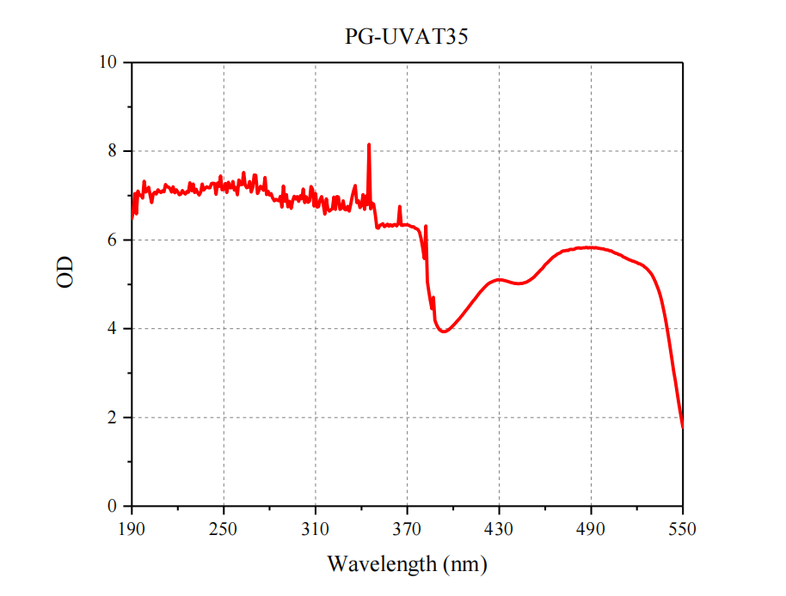
529 | 0.000560518 | 5.2514104363
528 | 0.000508427 | 5.2937713943
527 | 0.000463824 | 5.3336467831
526 | 0.000431936 | 5.3645805979
525 | 0.000406941 | 5.390468552
524 | 0.000379145 | 5.4211946669
523 | 0.000364215 | 5.438642172
522 | 0.000347499 | 5.4590464408
521 | 0.000340362 | 5.4680589331
520 | 0.00032562 | 5.487288928
519 | 0.000317606 | 5.4981113018
518 | 0.000304972 | 5.5157400321
517 | 0.000299763 | 5.5232219735
516 | 0.000287672 | 5.5411024073
515 | 0.000279648 | 5.5533882823
514 | 0.000271552 | 5.5661469942
513 | 0.000258802 | 5.5870323718
512 | 0.000251095 | 5.6001619352
511 | 0.000239126 | 5.6213732008
510 | 0.000225376 | 5.6470923333
509 | 0.00021661 | 5.6643214976
508 | 0.00021373 | 5.6701345142
507 | 0.00020318 | 5.692119044
506 | 0.000199378 | 5.7003227648
505 | 0.000192662 | 5.7152039357
504 | 0.000185348 | 5.7320120959
503 | 0.000176272 | 5.7538166679
502 | 0.000175424 | 5.7559109905
501 | 0.00016973 | 5.7702413888
500 | 0.000166504 | 5.7785753288
499 | 0.000165019 | 5.782466049
498 | 0.000157905 | 5.801604118
497 | 0.000159219 | 5.7980051081
496 | 0.000155998 | 5.8068809696
495 | 0.000154477 | 5.8111361733
494 | 0.000153068 | 5.8151155923
493 | 0.000148946 | 5.8269711554
492 | 0.000151286 | 5.8202012597
491 | 0.000149007 | 5.826793329
490 | 0.000150126 | 5.8235440867
489 | 0.000148493 | 5.8282940186
488 | 0.000151417 | 5.8198253627
487 | 0.000146283 | 5.8348061416
486 | 0.000150557 | 5.8222990476
485 | 0.000151079 | 5.8207958985
484 | 0.000151677 | 5.8190802698
483 | 0.000153357 | 5.8142963958
482 | 0.000149687 | 5.8248159156
481 | 0.000153122 | 5.814962407
480 | 0.000154077 | 5.8122621862
479 | 0.000161774 | 5.7910912761
478 | 0.000164244 | 5.7845104867
477 | 0.000162814 | 5.7883082539
476 | 0.000163923 | 5.7853601064
475 | 0.000173198 | 5.7614571273
474 | 0.000171368 | 5.7660702718
473 | 0.000176618 | 5.7529650374
472 | 0.000176496 | 5.7532651328
471 | 0.000180595 | 5.7432942778
470 | 0.000192863 | 5.714751082
469 | 0.000199303 | 5.7004861641
468 | 0.000208873 | 5.6801176955
467 | 0.000220619 | 5.6563570883
466 | 0.000234395 | 5.6300516567
465 | 0.000247374 | 5.6066459484
464 | 0.000265986 | 5.5751412216
463 | 0.000287468 | 5.5414104925
462 | 0.0003126 | 5.5050110263
461 | 0.00033707 | 5.472279899
460 | 0.000360017 | 5.4436769914
459 | 0.000398039 | 5.4000743735
458 | 0.000441066 | 5.3554964189
457 | 0.000476117 | 5.3222863115
456 | 0.000525867 | 5.2791240818
455 | 0.000570082 | 5.2440626714
454 | 0.000617264 | 5.2095290512
453 | 0.00066917 | 5.1744635374
452 | 0.00071688 | 5.1445535357
451 | 0.000760586 | 5.1188516728
450 | 0.000803422 | 5.0950562802
449 | 0.000841572 | 5.0749087224
448 | 0.000884588 | 5.0532589564
447 | 0.000909908 | 5.0410025166
446 | 0.000932953 | 5.0301402344
445 | 0.000959324 | 5.0180346904
444 | 0.000956998 | 5.0190889698
443 | 0.000972809 | 5.0119724202
442 | 0.000965537 | 5.0152310791
441 | 0.000954982 | 5.0200048141
440 | 0.000950849 | 5.0218884459
439 | 0.000927179 | 5.0328364134
438 | 0.000922167 | 5.0351904232
437 | 0.000893702 | 5.0488072702
436 | 0.000867233 | 5.0618642047
435 | 0.000850416 | 5.0703685775
434 | 0.000830805 | 5.0805008984
433 | 0.000819234 | 5.0865920318
432 | 0.000800502 | 5.0966375787
431 | 0.000793215 | 5.1006090817
430 | 0.000797974 | 5.0980112588
429 | 0.000786873 | 5.1040953564
428 | 0.000806525 | 5.0933821662
427 | 0.000823248 | 5.0844693157
426 | 0.000853207 | 5.0689455901
425 | 0.00087823 | 5.0563917316
424 | 0.000921001 | 5.0357398983
423 | 0.000972632 | 5.0120514461
422 | 0.001030958 | 4.986759027
421 | 0.001119324 | 4.9510441842
420 | 0.00120425 | 4.919283345
419 | 0.001321257 | 4.8790126988
418 | 0.00142749 | 4.8454269254
417 | 0.001574343 | 4.8029006425
416 | 0.001742396 | 4.7588531346
415 | 0.001932254 | 4.713935785
414 | 0.002138395 | 4.6699120697
413 | 0.002370635 | 4.625135308
412 | 0.002638565 | 4.5786322027
411 | 0.002927402 | 4.5335176348
410 | 0.003268843 | 4.4856059377
409 | 0.003600362 | 4.4436538307
408 | 0.003979246 | 4.4001992116
407 | 0.004398186 | 4.3567264082
406 | 0.004843231 | 4.3148648166
405 | 0.00534544 | 4.2720165408
404 | 0.005884619 | 4.2302816503
403 | 0.006441073 | 4.1910417787
402 | 0.007081294 | 4.1498873743
401 | 0.007757394 | 4.1102841501
400 | 0.008449099 | 4.0731896011
399 | 0.009136835 | 4.0392042178
398 | 0.009872387 | 4.0055778285
397 | 0.010554605 | 3.9765580153
396 | 0.01109927 | 3.9547055839
395 | 0.011561929 | 3.9369697019
394 | 0.011731765 | 3.930636645
393 | 0.011679173 | 3.9325879084
392 | 0.011264263 | 3.9482972181
391 | 0.010490117 | 3.9792196679
390 | 0.009379521 | 4.0278193399
389 | 0.007979663 | 4.0980154495
388 | 0.006485582 | 4.1880510453
387 | 0.001944758 | 4.7111344333
386 | 0.003540273 | 4.4509632471
385 | 0.00238785 | 4.6219929582
384 | 0.00148456 | 4.8284022453
383 | 0.000875372 | 5.057807349
382 | 0.0000483315 | 6.315769726
381 | 0.000263237 | 5.5796530673
380 | 0.000145517 | 5.8370862673
379 | 0.00009433018568 | 6.0253493107
378 | 0.00006818301335 | 6.166323809
377 | 0.0000588581097 | 6.2301936899
376 | 0.00005564526145 | 6.2545718127
375 | 0.00005465893628 | 6.2623388244
374 | 0.00005013994087 | 6.2998161825
373 | 0.00005090003469 | 6.2932819217
372 | 0.00004906625691 | 6.3092170715
371 | 0.00004737684503 | 6.3244338637
370 | 0.0000453458415 | 6.3434625343
369 | 0.00004577863001 | 6.3393372083
368 | 0.00004549423102 | 6.3420436714
367 | 0.0000471934145 | 6.3261185998
366 | 0.00004664770313 | 6.3311697355
365 | 0.00001757974239 | 6.7549874933
364 | 0.00004277136031 | 6.3688469371
363 | 0.0000481311763 | 6.3175735243
362 | 0.00004472671935 | 6.3494329556
361 | 0.00004526436169 | 6.3442435996
360 | 0.0000490623388 | 6.3092517528
359 | 0.00004508714483 | 6.3459472658
358 | 0.00004888922922 | 6.3107868097
357 | 0.00004416227603 | 6.3549485521
356 | 0.00004748716674 | 6.3234237413
355 | 0.00005020766548 | 6.2992299717
354 | 0.00004311366138 | 6.3653850936
353 | 0.00004545546108 | 6.3424139326
352 | 0.00004674619777 | 6.3302537079
351 | 0.00005432157923 | 6.2650276128
350 | 0.00005278512981 | 6.2774884061
349 | 0.00002755195965 | 6.5598475063
348 | 0.00001563278965 | 6.8059635158
347 | 0.00001475465706 | 6.8310708803
346 | 0.00001983984839 | 6.7024616509
345 | 0.000000698532358 | 8.1558134713
344 | 0.00001601800432 | 6.7953915935
343 | 0.00001024816174 | 6.989354029
342 | 0.00002034634053 | 6.6915136911
341 | 0.000009475533261 | 7.0233963396
340 | 0.00001650548074 | 6.7823718219
339 | 0.00001868603977 | 6.7284827312
338 | 0.00001316319958 | 6.8806385339
337 | 0.00001435829199 | 6.8428972191
336 | 0.000005944346867 | 7.2258958564
335 | 0.000007575523796 | 7.1205873333
334 | 0.00001042668191 | 6.9818538754
333 | 0.0000157801278 | 6.8018894839
332 | 0.00002252590275 | 6.6473177952
331 | 0.00001739369873 | 6.7596080565
330 | 0.00002100368511 | 6.6777045013
329 | 0.0000205256656 | 6.6877027508
328 | 0.00001314247856 | 6.8813227228
327 | 0.00001923395939 | 6.7159313052
326 | 0.00002040480467 | 6.6902675583
325 | 0.00001073703243 | 6.9691157352
324 | 0.00001055968278 | 6.9763491281
323 | 0.00002044382745 | 6.6894377932
322 | 0.00001077703382 | 6.9675007543
321 | 0.0000198868529 | 6.7014339387
320 | 0.00002085256165 | 6.6808405862
319 | 0.00002253632738 | 6.6471168571
318 | 0.00002035821853 | 6.6912602281
317 | 0.00001180573781 | 6.9279068661
316 | 0.00002633796248 | 6.5794178253
315 | 0.00001502416762 | 6.8232095798
314 | 0.00001058168982 | 6.975444973
313 | 0.00001242298731 | 6.9057739584
312 | 0.00001768104084 | 6.7524921727
311 | 0.00001808775414 | 6.7426153538
310 | 0.000009022319318 | 7.0446818064
309 | 0.00001729716496 | 6.7620250728
308 | 0.000007222989552 | 7.1412830133
307 | 0.000006260647297 | 7.2033807622
306 | 0.00001338036236 | 6.8735321251
305 | 0.00001417649673 | 6.848431078
304 | 0.00001061432158 | 6.9741077588
303 | 0.0000144370897 | 6.8405203452
302 | 0.000007112218555 | 7.1479949062
301 | 0.00001178633556 | 6.9286211986
300 | 0.00001007967239 | 6.9965535831
299 | 0.00001344426164 | 6.8714630443
298 | 0.00001047179376 | 6.9799789197
297 | 0.0000119236629 | 6.9235903106
296 | 0.00001034155412 | 6.9854141909
295 | 0.00001290485488 | 6.8892468749
294 | 0.00001952295315 | 6.7094544879
293 | 0.00001350782259 | 6.869414652
292 | 0.00001789194721 | 6.7473423919
291 | 0.000009465035873 | 7.0238777357
290 | 0.00001350034017 | 6.8696552884
289 | 0.00000604749539 | 7.218424454
288 | 0.0000181366886 | 6.7414420036
287 | 0.00001038537266 | 6.983577915
286 | 0.00001317484657 | 6.8802544337
285 | 0.00001265561059 | 6.8977168968
284 | 0.00001208324284 | 6.9178164963
283 | 0.00001313619578 | 6.8815303875
282 | 0.00001129472457 | 6.9471243552
281 | 0.000009002540537 | 7.0456349144
280 | 0.000009684928955 | 7.0139035608
279 | 0.000008005804375 | 7.0965950263
278 | 0.000009419151866 | 7.0259882009
277 | 0.000003892657787 | 7.4097537745
276 | 0.000007569004538 | 7.1209612344
275 | 0.000006680848855 | 7.1751683534
274 | 0.000006172444955 | 7.2095427744
273 | 0.000007547229416 | 7.1222124484
272 | 0.0000090132271 | 7.0451196862
271 | 0.000003455771093 | 7.4614550325
270 | 0.000003439158945 | 7.4635477523
269 | 0.000006588632004 | 7.1812047485
268 | 0.000008314917068 | 7.080142078
267 | 0.000004833096227 | 7.315774558
266 | 0.000006452347407 | 7.1902822574
265 | 0.000006658563507 | 7.1766194538
264 | 0.000005799890459 | 7.2365802088
263 | 0.000003017504014 | 7.5203521435
262 | 0.000005625741323 | 7.249820241
261 | 0.000005681699349 | 7.245521751
260 | 0.000004444962997 | 7.3521318501
259 | 0.000009588232388 | 7.0182614486
258 | 0.000006602420854 | 7.1802967962
257 | 0.00000753542372 | 7.1228923221
256 | 0.00000484010252 | 7.3151454393
255 | 0.000006649599982 | 7.1772044796
254 | 0.00000663487026 | 7.178167565
253 | 0.000005025409791 | 7.2988285184
252 | 0.000008594919564 | 7.0657581833
251 | 0.000005367768608 | 7.2702062139
250 | 0.000007195445505 | 7.1429423116
249 | 0.000007415933851 | 7.1298341527
248 | 0.000003608620545 | 7.4426587826
247 | 0.000006259695965 | 7.2034467601
246 | 0.000005182353107 | 7.2854729991
245 | 0.000009405641322 | 7.0266115868
244 | 0.000005364701792 | 7.2704544142
243 | 0.000005304779734 | 7.2753326442
242 | 0.000005312675512 | 7.2746867092
241 | 0.000006649365332 | 7.1772198052
240 | 0.00000670213376 | 7.1737869088
239 | 0.000006360860125 | 7.1964841544
238 | 0.000006860927442 | 7.1636171735
237 | 0.000007512701359 | 7.1242038747
236 | 0.000005468360087 | 7.2621428952
235 | 0.000008322567737 | 7.0797426615
234 | 0.000009753221093 | 7.0108519308
233 | 0.000008615869774 | 7.0647008739
232 | 0.000007247904705 | 7.1397875254
231 | 0.000008552005966 | 7.0679320048
230 | 0.000005499786312 | 7.2596541842
229 | 0.000007795342754 | 7.1081647845
228 | 0.000005168375992 | 7.2866458996
227 | 0.000008481638361 | 7.0715202489
226 | 0.000008103145774 | 7.0913463482
225 | 0.000009233003766 | 7.0346569873
224 | 0.000008644749869 | 7.0632475683
223 | 0.000007723722774 | 7.1121733227
222 | 0.000009280452105 | 7.0324308662
221 | 0.000009545180546 | 7.0202158526
220 | 0.000008357780644 | 7.0779090314
219 | 0.000007421224382 | 7.1295244372
218 | 0.000008603464266 | 7.0653266408
217 | 0.00000631232524 | 7.1998106324
216 | 0.000008349045856 | 7.0783631536
215 | 0.000006907961051 | 7.1606501198
214 | 0.000006375393241 | 7.1954930223
213 | 0.000006315426617 | 7.1995973068
212 | 0.000005651457286 | 7.2478395505
211 | 0.000008257995432 | 7.0831253617
210 | 0.000007751065823 | 7.110638575
209 | 0.000008555395652 | 7.0677599013
208 | 0.000008080647603 | 7.0925538324
207 | 0.000007357040431 | 7.1332968573
206 | 0.00000928789359 | 7.0320827689
205 | 0.000008415711818 | 7.0749091446
204 | 0.000009111344298 | 7.040417542
203 | 0.00001437228548 | 6.8424741649
202 | 0.000009971895452 | 7.0012222834
201 | 0.000006466661034 | 7.1893199031
200 | 0.000007829388778 | 7.106272141
199 | 0.000008301083653 | 7.0808652096
198 | 0.000004775804427 | 7.3209534662
197 | 0.00001136895935 | 6.9442792863
196 | 0.000009988469174 | 7.0005010664
195 | 0.000009771324585 | 7.01004656
194 | 0.000007946194273 | 7.0998408213
193 | 0.00002593895624 | 6.5860475035
192 | 0.000008979340237 | 7.0467555722
191 | 0.00002170952575 | 6.6633496637
190 | 0.00003254285548 | 6.4875443425

