sheet1
DOE25-532-FTC50
x(μm) | Intensity(a.u.)
-499.88 | 0.0000
-499.63 | 0.0000
-499.38 | 0.0000
-499.13 | 0.0000 | DOE Homogenizer Light Intensity Distribution Curve of Diffraction Spot This file indicates a typical data and there may be differences between product batches. If you have any questions, please contact LBTEK Technical Support. To quote this data, please indicate that the data source is from LBTEK.
-498.88 | 0.0000
-498.63 | 0.0000
-498.38 | 0.0000
-498.13 | 0.0000
-497.88 | 0.0000
-497.63 | 0.0000
-497.38 | 0.0000
-497.13 | 0.0000
-496.88 | 0.0000
-496.63 | 0.0000 | LBTEK Mall：www.lbtek.com Tel：0731-84165699 LBTEK Technical Support E-mail：service@lbtek.com
-496.38 | 0.0000
-496.13 | 0.0000
-495.88 | 0.0000
-495.63 | 0.0000 | 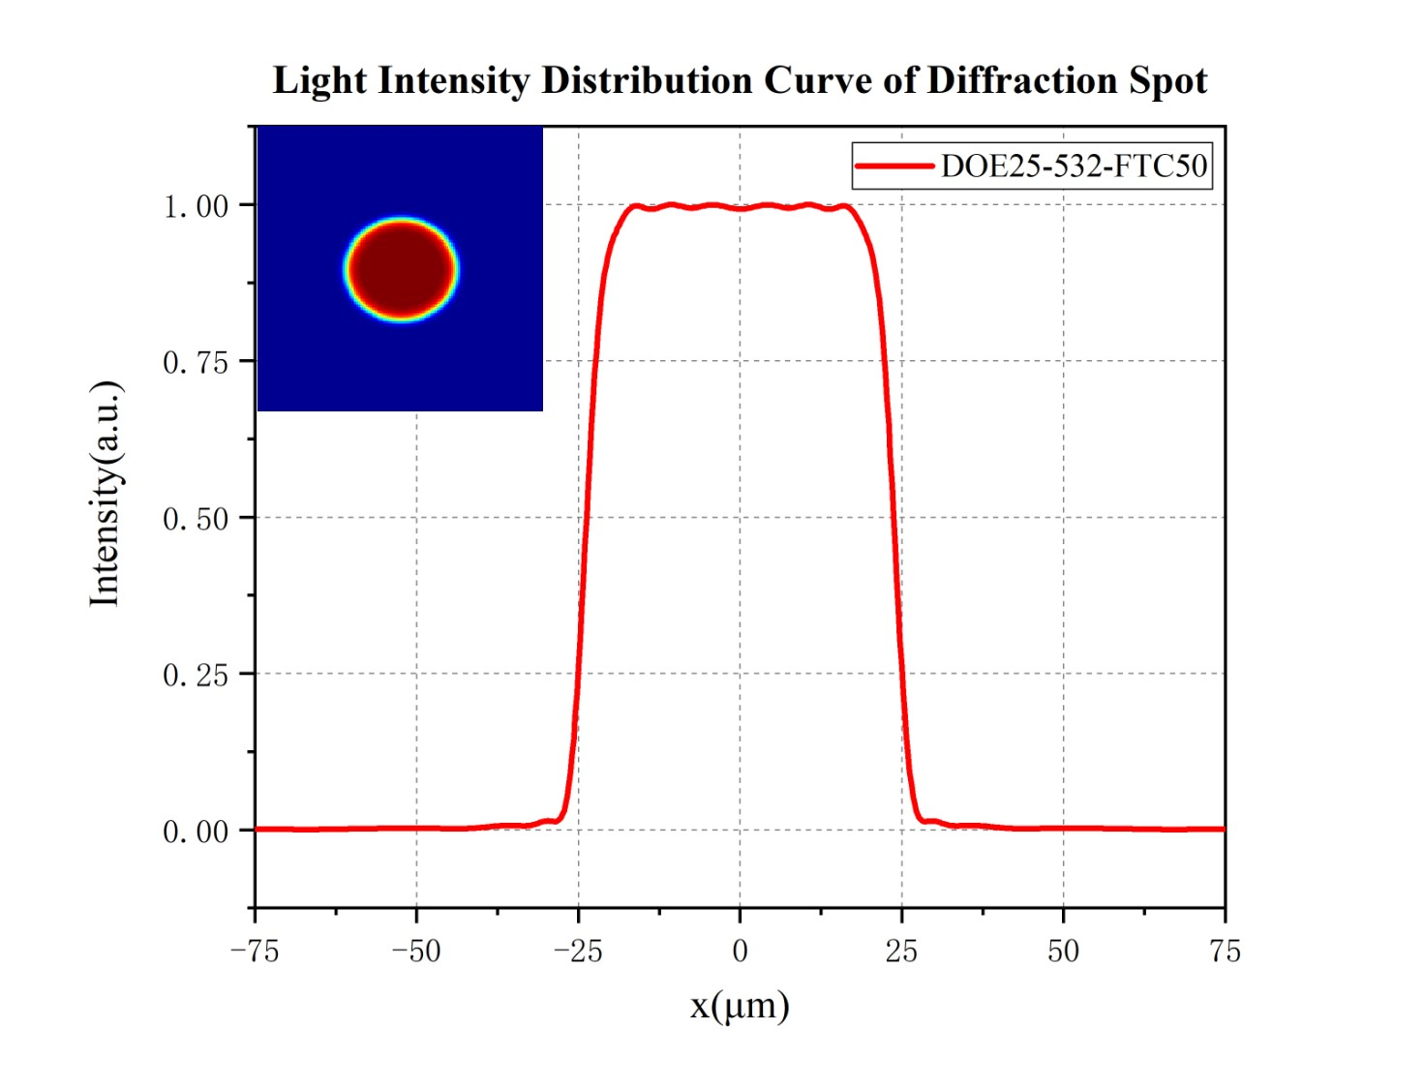
-495.38 | 0.0000
-495.13 | 0.0000
-494.88 | 0.0000
-494.63 | 0.0000
-494.38 | 0.0000
-494.13 | 0.0000
-493.88 | 0.0000
-493.63 | 0.0000
-493.38 | 0.0000
-493.13 | 0.0000
-492.88 | 0.0000
-492.63 | 0.0000
-492.38 | 0.0000
-492.13 | 0.0000
-491.88 | 0.0000
-491.63 | 0.0000
-491.38 | 0.0000
-491.13 | 0.0000
-490.88 | 0.0000
-490.63 | 0.0000
-490.38 | 0.0000
-490.13 | 0.0000
-489.88 | 0.0000
-489.63 | 0.0000
-489.38 | 0.0000
-489.13 | 0.0000
-488.88 | 0.0000
-488.63 | 0.0000
-488.38 | 0.0000
-488.13 | 0.0000
-487.88 | 0.0000
-487.63 | 0.0000
-487.38 | 0.0000
-487.13 | 0.0000
-486.88 | 0.0000
-486.63 | 0.0000
-486.38 | 0.0000
-486.13 | 0.0000
-485.88 | 0.0000
-485.63 | 0.0000
-485.38 | 0.0000
-485.13 | 0.0000
-484.88 | 0.0000
-484.63 | 0.0000
-484.38 | 0.0000
-484.13 | 0.0000
-483.88 | 0.0000
-483.63 | 0.0000
-483.38 | 0.0000
-483.13 | 0.0000
-482.88 | 0.0000
-482.63 | 0.0000
-482.38 | 0.0000
-482.13 | 0.0000
-481.88 | 0.0000
-481.63 | 0.0000
-481.38 | 0.0000
-481.13 | 0.0000
-480.88 | 0.0000
-480.63 | 0.0000
-480.38 | 0.0000
-480.13 | 0.0000
-479.88 | 0.0000
-479.63 | 0.0000
-479.38 | 0.0000
-479.13 | 0.0000
-478.88 | 0.0000
-478.63 | 0.0000
-478.38 | 0.0000
-478.13 | 0.0000
-477.88 | 0.0000
-477.63 | 0.0000
-477.38 | 0.0000
-477.13 | 0.0000
-476.88 | 0.0000
-476.63 | 0.0000
-476.38 | 0.0000
-476.13 | 0.0000
-475.88 | 0.0000
-475.63 | 0.0000
-475.38 | 0.0000
-475.13 | 0.0000
-474.88 | 0.0000
-474.63 | 0.0000
-474.38 | 0.0000
-474.13 | 0.0000
-473.88 | 0.0000
-473.63 | 0.0000
-473.38 | 0.0000
-473.13 | 0.0000
-472.88 | 0.0000
-472.63 | 0.0000
-472.38 | 0.0000
-472.13 | 0.0000
-471.88 | 0.0000
-471.63 | 0.0000
-471.38 | 0.0000
-471.13 | 0.0000
-470.88 | 0.0000
-470.63 | 0.0000
-470.38 | 0.0000
-470.13 | 0.0000
-469.88 | 0.0000
-469.63 | 0.0000
-469.38 | 0.0000
-469.13 | 0.0000
-468.88 | 0.0000
-468.63 | 0.0000
-468.38 | 0.0000
-468.13 | 0.0000
-467.88 | 0.0000
-467.63 | 0.0000
-467.38 | 0.0000
-467.13 | 0.0000
-466.88 | 0.0000
-466.63 | 0.0000
-466.38 | 0.0000
-466.13 | 0.0000
-465.88 | 0.0000
-465.63 | 0.0000
-465.38 | 0.0000
-465.13 | 0.0000
-464.88 | 0.0000
-464.63 | 0.0000
-464.38 | 0.0000
-464.13 | 0.0000
-463.88 | 0.0000
-463.63 | 0.0000
-463.38 | 0.0000
-463.13 | 0.0000
-462.88 | 0.0000
-462.63 | 0.0000
-462.38 | 0.0000
-462.13 | 0.0000
-461.88 | 0.0000
-461.63 | 0.0000
-461.38 | 0.0000
-461.13 | 0.0000
-460.88 | 0.0000
-460.63 | 0.0000
-460.38 | 0.0000
-460.13 | 0.0000
-459.89 | 0.0000
-459.64 | 0.0000
-459.39 | 0.0000
-459.14 | 0.0000
-458.89 | 0.0000
-458.64 | 0.0000
-458.39 | 0.0000
-458.14 | 0.0000
-457.89 | 0.0000
-457.64 | 0.0000
-457.39 | 0.0000
-457.14 | 0.0000
-456.89 | 0.0000
-456.64 | 0.0000
-456.39 | 0.0000
-456.14 | 0.0000
-455.89 | 0.0000
-455.64 | 0.0000
-455.39 | 0.0000
-455.14 | 0.0000
-454.89 | 0.0000
-454.64 | 0.0000
-454.39 | 0.0000
-454.14 | 0.0000
-453.89 | 0.0000
-453.64 | 0.0000
-453.39 | 0.0000
-453.14 | 0.0000
-452.89 | 0.0000
-452.64 | 0.0000
-452.39 | 0.0000
-452.14 | 0.0000
-451.89 | 0.0000
-451.64 | 0.0000
-451.39 | 0.0000
-451.14 | 0.0000
-450.89 | 0.0000
-450.64 | 0.0000
-450.39 | 0.0000
-450.14 | 0.0000
-449.89 | 0.0000
-449.64 | 0.0000
-449.39 | 0.0000
-449.14 | 0.0000
-448.89 | 0.0000
-448.64 | 0.0000
-448.39 | 0.0000
-448.14 | 0.0000
-447.89 | 0.0000
-447.64 | 0.0000
-447.39 | 0.0000
-447.14 | 0.0000
-446.89 | 0.0000
-446.64 | 0.0000
-446.39 | 0.0000
-446.14 | 0.0000
-445.89 | 0.0000
-445.64 | 0.0000
-445.39 | 0.0000
-445.14 | 0.0000
-444.89 | 0.0000
-444.64 | 0.0000
-444.39 | 0.0000
-444.14 | 0.0000
-443.89 | 0.0000
-443.64 | 0.0000
-443.39 | 0.0000
-443.14 | 0.0000
-442.89 | 0.0000
-442.64 | 0.0000
-442.39 | 0.0000
-442.14 | 0.0000
-441.89 | 0.0000
-441.64 | 0.0000
-441.39 | 0.0000
-441.14 | 0.0000
-440.89 | 0.0000
-440.64 | 0.0000
-440.39 | 0.0000
-440.14 | 0.0000
-439.89 | 0.0000
-439.64 | 0.0000
-439.39 | 0.0000
-439.14 | 0.0000
-438.89 | 0.0000
-438.64 | 0.0000
-438.39 | 0.0000
-438.14 | 0.0000
-437.89 | 0.0000
-437.64 | 0.0000
-437.39 | 0.0000
-437.14 | 0.0000
-436.89 | 0.0000
-436.64 | 0.0000
-436.39 | 0.0000
-436.14 | 0.0000
-435.89 | 0.0000
-435.64 | 0.0000
-435.39 | 0.0000
-435.14 | 0.0000
-434.89 | 0.0000
-434.64 | 0.0000
-434.39 | 0.0000
-434.14 | 0.0000
-433.89 | 0.0000
-433.64 | 0.0000
-433.39 | 0.0000
-433.14 | 0.0000
-432.89 | 0.0000
-432.64 | 0.0000
-432.39 | 0.0000
-432.14 | 0.0000
-431.89 | 0.0000
-431.64 | 0.0000
-431.39 | 0.0000
-431.14 | 0.0000
-430.89 | 0.0000
-430.64 | 0.0000
-430.39 | 0.0000
-430.14 | 0.0000
-429.89 | 0.0000
-429.64 | 0.0000
-429.39 | 0.0000
-429.14 | 0.0000
-428.89 | 0.0000
-428.64 | 0.0000
-428.39 | 0.0000
-428.14 | 0.0000
-427.89 | 0.0000
-427.64 | 0.0000
-427.39 | 0.0000
-427.14 | 0.0000
-426.89 | 0.0000
-426.64 | 0.0000
-426.39 | 0.0000
-426.14 | 0.0000
-425.89 | 0.0000
-425.64 | 0.0000
-425.39 | 0.0000
-425.14 | 0.0000
-424.89 | 0.0000
-424.64 | 0.0000
-424.39 | 0.0000
-424.14 | 0.0000
-423.89 | 0.0000
-423.64 | 0.0000
-423.39 | 0.0000
-423.14 | 0.0000
-422.89 | 0.0000
-422.64 | 0.0000
-422.39 | 0.0000
-422.14 | 0.0000
-421.89 | 0.0000
-421.64 | 0.0000
-421.39 | 0.0000
-421.14 | 0.0000
-420.89 | 0.0000
-420.64 | 0.0000
-420.39 | 0.0000
-420.14 | 0.0000
-419.9 | 0.0000
-419.65 | 0.0000
-419.4 | 0.0000
-419.15 | 0.0000
-418.9 | 0.0000
-418.65 | 0.0000
-418.4 | 0.0000
-418.15 | 0.0000
-417.9 | 0.0000
-417.65 | 0.0000
-417.4 | 0.0000
-417.15 | 0.0000
-416.9 | 0.0000
-416.65 | 0.0000
-416.4 | 0.0000
-416.15 | 0.0000
-415.9 | 0.0000
-415.65 | 0.0000
-415.4 | 0.0000
-415.15 | 0.0000
-414.9 | 0.0000
-414.65 | 0.0000
-414.4 | 0.0000
-414.15 | 0.0000
-413.9 | 0.0000
-413.65 | 0.0000
-413.4 | 0.0000
-413.15 | 0.0000
-412.9 | 0.0000
-412.65 | 0.0000
-412.4 | 0.0000
-412.15 | 0.0000
-411.9 | 0.0000
-411.65 | 0.0000
-411.4 | 0.0000
-411.15 | 0.0000
-410.9 | 0.0000
-410.65 | 0.0000
-410.4 | 0.0000
-410.15 | 0.0000
-409.9 | 0.0000
-409.65 | 0.0000
-409.4 | 0.0000
-409.15 | 0.0000
-408.9 | 0.0000
-408.65 | 0.0000
-408.4 | 0.0000
-408.15 | 0.0000
-407.9 | 0.0000
-407.65 | 0.0000
-407.4 | 0.0000
-407.15 | 0.0000
-406.9 | 0.0000
-406.65 | 0.0000
-406.4 | 0.0000
-406.15 | 0.0000
-405.9 | 0.0000
-405.65 | 0.0000
-405.4 | 0.0000
-405.15 | 0.0000
-404.9 | 0.0000
-404.65 | 0.0000
-404.4 | 0.0000
-404.15 | 0.0000
-403.9 | 0.0000
-403.65 | 0.0000
-403.4 | 0.0000
-403.15 | 0.0000
-402.9 | 0.0000
-402.65 | 0.0000
-402.4 | 0.0000
-402.15 | 0.0000
-401.9 | 0.0000
-401.65 | 0.0000
-401.4 | 0.0000
-401.15 | 0.0000
-400.9 | 0.0000
-400.65 | 0.0000
-400.4 | 0.0000
-400.15 | 0.0000
-399.9 | 0.0000
-399.65 | 0.0000
-399.4 | 0.0000
-399.15 | 0.0000
-398.9 | 0.0000
-398.65 | 0.0000
-398.4 | 0.0000
-398.15 | 0.0000
-397.9 | 0.0000
-397.65 | 0.0000
-397.4 | 0.0000
-397.15 | 0.0000
-396.9 | 0.0000
-396.65 | 0.0000
-396.4 | 0.0000
-396.15 | 0.0000
-395.9 | 0.0000
-395.65 | 0.0000
-395.4 | 0.0000
-395.15 | 0.0000
-394.9 | 0.0000
-394.65 | 0.0000
-394.4 | 0.0000
-394.15 | 0.0000
-393.9 | 0.0000
-393.65 | 0.0000
-393.4 | 0.0000
-393.15 | 0.0000
-392.9 | 0.0000
-392.65 | 0.0000
-392.4 | 0.0000
-392.15 | 0.0000
-391.9 | 0.0000
-391.65 | 0.0000
-391.4 | 0.0000
-391.15 | 0.0000
-390.9 | 0.0000
-390.65 | 0.0000
-390.4 | 0.0000
-390.15 | 0.0000
-389.9 | 0.0000
-389.65 | 0.0000
-389.4 | 0.0000
-389.15 | 0.0000
-388.9 | 0.0000
-388.65 | 0.0000
-388.4 | 0.0000
-388.15 | 0.0000
-387.9 | 0.0000
-387.65 | 0.0000
-387.4 | 0.0000
-387.15 | 0.0000
-386.9 | 0.0000
-386.65 | 0.0000
-386.4 | 0.0000
-386.15 | 0.0000
-385.9 | 0.0000
-385.65 | 0.0000
-385.4 | 0.0000
-385.15 | 0.0000
-384.9 | 0.0000
-384.65 | 0.0000
-384.4 | 0.0000
-384.15 | 0.0000
-383.9 | 0.0000
-383.65 | 0.0000
-383.4 | 0.0000
-383.15 | 0.0000
-382.9 | 0.0000
-382.65 | 0.0000
-382.4 | 0.0000
-382.15 | 0.0000
-381.9 | 0.0000
-381.65 | 0.0000
-381.4 | 0.0000
-381.15 | 0.0000
-380.9 | 0.0000
-380.65 | 0.0000
-380.4 | 0.0000
-380.15 | 0.0000
-379.91 | 0.0000
-379.66 | 0.0000
-379.41 | 0.0000
-379.16 | 0.0000
-378.91 | 0.0000
-378.66 | 0.0000
-378.41 | 0.0000
-378.16 | 0.0000
-377.91 | 0.0000
-377.66 | 0.0000
-377.41 | 0.0000
-377.16 | 0.0000
-376.91 | 0.0000
-376.66 | 0.0000
-376.41 | 0.0000
-376.16 | 0.0000
-375.91 | 0.0000
-375.66 | 0.0000
-375.41 | 0.0000
-375.16 | 0.0000
-374.91 | 0.0000
-374.66 | 0.0000
-374.41 | 0.0000
-374.16 | 0.0000
-373.91 | 0.0000
-373.66 | 0.0000
-373.41 | 0.0000
-373.16 | 0.0000
-372.91 | 0.0000
-372.66 | 0.0000
-372.41 | 0.0000
-372.16 | 0.0000
-371.91 | 0.0000
-371.66 | 0.0000
-371.41 | 0.0000
-371.16 | 0.0000
-370.91 | 0.0000
-370.66 | 0.0000
-370.41 | 0.0000
-370.16 | 0.0000
-369.91 | 0.0000
-369.66 | 0.0000
-369.41 | 0.0000
-369.16 | 0.0000
-368.91 | 0.0000
-368.66 | 0.0000
-368.41 | 0.0000
-368.16 | 0.0000
-367.91 | 0.0000
-367.66 | 0.0000
-367.41 | 0.0000
-367.16 | 0.0000
-366.91 | 0.0000
-366.66 | 0.0000
-366.41 | 0.0000
-366.16 | 0.0000
-365.91 | 0.0000
-365.66 | 0.0000
-365.41 | 0.0000
-365.16 | 0.0000
-364.91 | 0.0000
-364.66 | 0.0000
-364.41 | 0.0000
-364.16 | 0.0000
-363.91 | 0.0000
-363.66 | 0.0000
-363.41 | 0.0000
-363.16 | 0.0000
-362.91 | 0.0000
-362.66 | 0.0000
-362.41 | 0.0000
-362.16 | 0.0000
-361.91 | 0.0000
-361.66 | 0.0000
-361.41 | 0.0000
-361.16 | 0.0000
-360.91 | 0.0000
-360.66 | 0.0000
-360.41 | 0.0000
-360.16 | 0.0000
-359.91 | 0.0000
-359.66 | 0.0000
-359.41 | 0.0000
-359.16 | 0.0000
-358.91 | 0.0000
-358.66 | 0.0000
-358.41 | 0.0000
-358.16 | 0.0000
-357.91 | 0.0000
-357.66 | 0.0000
-357.41 | 0.0000
-357.16 | 0.0000
-356.91 | 0.0000
-356.66 | 0.0000
-356.41 | 0.0000
-356.16 | 0.0000
-355.91 | 0.0000
-355.66 | 0.0000
-355.41 | 0.0000
-355.16 | 0.0000
-354.91 | 0.0000
-354.66 | 0.0000
-354.41 | 0.0000
-354.16 | 0.0000
-353.91 | 0.0000
-353.66 | 0.0000
-353.41 | 0.0000
-353.16 | 0.0000
-352.91 | 0.0000
-352.66 | 0.0000
-352.41 | 0.0000
-352.16 | 0.0000
-351.91 | 0.0000
-351.66 | 0.0000
-351.41 | 0.0000
-351.16 | 0.0000
-350.91 | 0.0000
-350.66 | 0.0000
-350.41 | 0.0000
-350.16 | 0.0000
-349.91 | 0.0000
-349.66 | 0.0000
-349.41 | 0.0000
-349.16 | 0.0000
-348.91 | 0.0000
-348.66 | 0.0000
-348.41 | 0.0000
-348.16 | 0.0000
-347.91 | 0.0000
-347.66 | 0.0000
-347.41 | 0.0000
-347.16 | 0.0000
-346.91 | 0.0000
-346.66 | 0.0000
-346.41 | 0.0000
-346.16 | 0.0000
-345.91 | 0.0000
-345.66 | 0.0000
-345.41 | 0.0000
-345.16 | 0.0000
-344.91 | 0.0000
-344.66 | 0.0000
-344.41 | 0.0000
-344.16 | 0.0000
-343.91 | 0.0000
-343.66 | 0.0000
-343.41 | 0.0000
-343.16 | 0.0000
-342.91 | 0.0000
-342.66 | 0.0000
-342.41 | 0.0000
-342.16 | 0.0000
-341.91 | 0.0000
-341.66 | 0.0000
-341.41 | 0.0000
-341.16 | 0.0000
-340.91 | 0.0000
-340.66 | 0.0000
-340.41 | 0.0000
-340.16 | 0.0000
-339.92 | 0.0000
-339.67 | 0.0000
-339.42 | 0.0000
-339.17 | 0.0000
-338.92 | 0.0000
-338.67 | 0.0000
-338.42 | 0.0000
-338.17 | 0.0000
-337.92 | 0.0000
-337.67 | 0.0000
-337.42 | 0.0000
-337.17 | 0.0000
-336.92 | 0.0000
-336.67 | 0.0000
-336.42 | 0.0000
-336.17 | 0.0000
-335.92 | 0.0000
-335.67 | 0.0000
-335.42 | 0.0000
-335.17 | 0.0000
-334.92 | 0.0000
-334.67 | 0.0000
-334.42 | 0.0000
-334.17 | 0.0000
-333.92 | 0.0000
-333.67 | 0.0000
-333.42 | 0.0000
-333.17 | 0.0000
-332.92 | 0.0000
-332.67 | 0.0000
-332.42 | 0.0000
-332.17 | 0.0000
-331.92 | 0.0000
-331.67 | 0.0000
-331.42 | 0.0000
-331.17 | 0.0000
-330.92 | 0.0000
-330.67 | 0.0000
-330.42 | 0.0000
-330.17 | 0.0000
-329.92 | 0.0000
-329.67 | 0.0000
-329.42 | 0.0000
-329.17 | 0.0000
-328.92 | 0.0000
-328.67 | 0.0000
-328.42 | 0.0000
-328.17 | 0.0000
-327.92 | 0.0000
-327.67 | 0.0000
-327.42 | 0.0000
-327.17 | 0.0000
...

