sheet1
DOE25Q-355-7-FTC40
x(μm) | Intensity(a.u.)
-200.83 | 1.82E-04
-199.27 | 1.30E-04
-197.71 | 7.34E-05
-196.16 | 2.60E-05 | DOE25Q-355-7-FTC40 Light Intensity Distribution Curve of Diffraction Spot This file indicates a typical data and there may be differences between product batches. If you have any questions, please contact LBTEK Technical Support. To quote this data, please indicate that the data source is from LBTEK.
-194.6 | 1.67E-06
-193.04 | 6.26E-06
-191.49 | 3.51E-05
-189.93 | 7.58E-05
-188.37 | 1.16E-04
-186.82 | 1.48E-04
-185.26 | 1.73E-04
-183.7 | 1.96E-04
-182.15 | 2.24E-04
-180.59 | 2.58E-04 | LBTEK Mall：www.lbtek.com Tel：0731-84165699 LBTEK Technical Support E-mail：service@lbtek.com
-179.03 | 2.91E-04
-177.48 | 3.05E-04
-175.92 | 2.81E-04
-174.36 | 2.07E-04 | 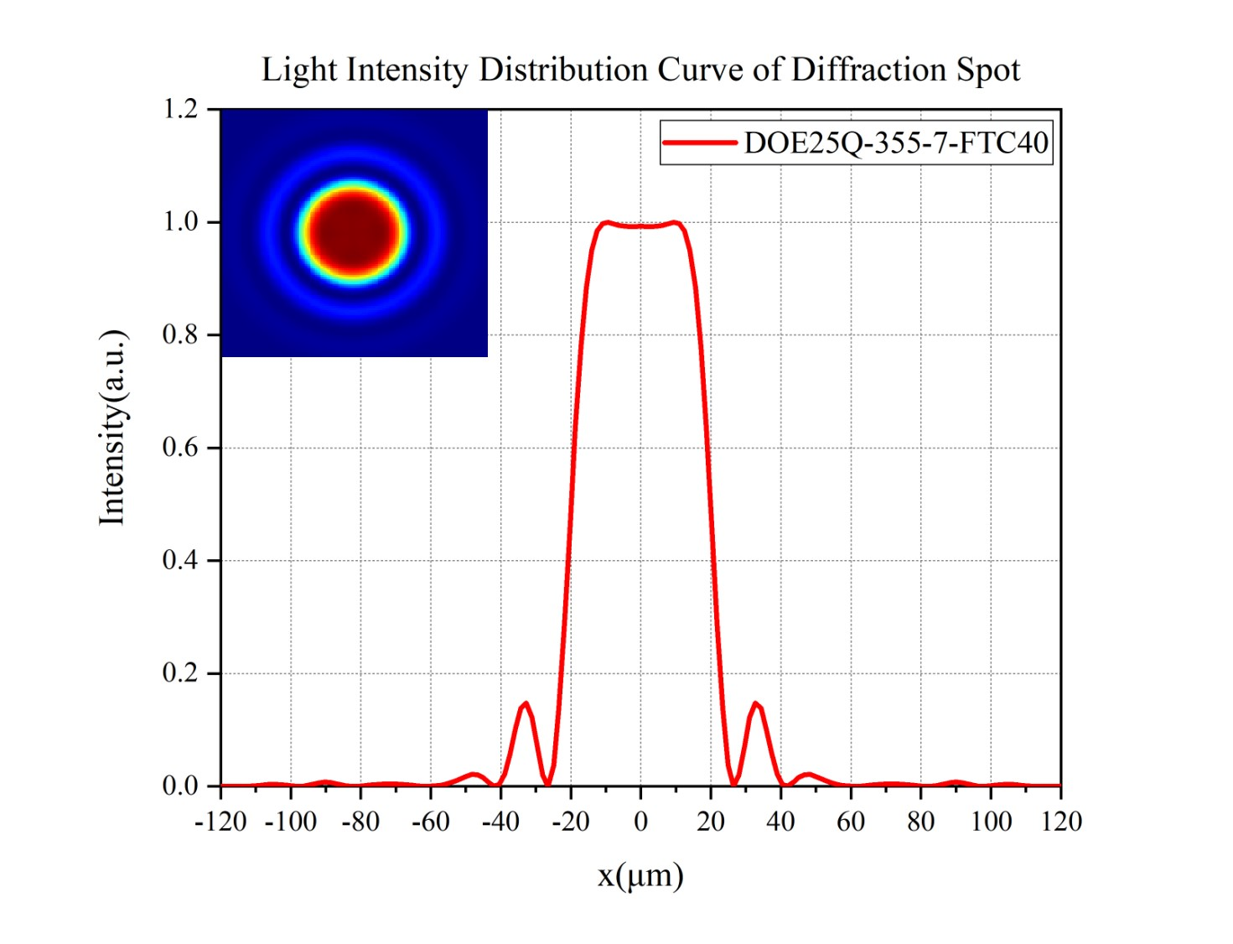
-172.81 | 9.99E-05
-171.25 | 1.34E-05
-169.69 | 1.76E-05
-168.14 | 1.63E-04
-166.58 | 4.39E-04
-165.02 | 7.64E-04
-163.47 | 0.00101
-161.91 | 0.00107
-160.35 | 8.98E-04
-158.79 | 5.69E-04
-157.24 | 2.23E-04
-155.68 | 1.77E-05
-154.12 | 5.14E-05
-152.57 | 3.21E-04
-151.01 | 7.23E-04
-149.45 | 0.0011
-147.9 | 0.00131
-146.34 | 0.00129
-144.78 | 0.00106
-143.23 | 7.13E-04
-141.67 | 3.74E-04
-140.11 | 1.29E-04
-138.56 | 1.26E-05
-137 | 1.19E-05
-135.44 | 8.73E-05
-133.89 | 1.98E-04
-132.33 | 3.15E-04
-130.77 | 4.23E-04
-129.22 | 5.16E-04
-127.66 | 5.87E-04
-126.1 | 6.25E-04
-124.54 | 6.20E-04
-122.99 | 5.60E-04
-121.43 | 4.48E-04
-119.87 | 3.00E-04
-118.32 | 1.47E-04
-116.76 | 3.19E-05
-115.2 | 4.19E-06
-113.65 | 1.18E-04
-112.09 | 4.26E-04
-110.53 | 9.61E-04
-108.98 | 1.71E-03
-107.42 | 2.55E-03
-105.86 | 3.26E-03
-104.31 | 3.53E-03
-102.75 | 3.15E-03
-101.19 | 2.13E-03
-99.6 | 8.64E-04
-98.1 | 5.10E-05
-96.5 | 3.34E-04
-95 | 1.91E-03
-93.4 | 4.28E-03
-91.9 | 6.46E-03
-90.3 | 7.45E-03
-88.7 | 6.82E-03
-87.2 | 4.92E-03
-85.6 | 2.61E-03
-84.1 | 8.19E-04
-82.5 | 3.32E-05
-81 | 2.23E-04
-79.4 | 1.02E-03
-77.8 | 2.00E-03
-76.3 | 2.88E-03
-74.7 | 3.56E-03
-73.2 | 4.01E-03
-71.6 | 4.21E-03
-70.1 | 4.13E-03
-68.5 | 0.0037
-66.9 | 0.00292
-65.4 | 0.0019
-63.8 | 8.83E-04
-62.3 | 1.78E-04
-60.7 | 1.98E-05
-59.2 | 5.17E-04
-57.6 | 0.00168
-56 | 0.00352
-54.5 | 0.00611
-52.9 | 0.00953
-51.4 | 1.37E-02
-49.8 | 1.80E-02
-48.3 | 2.10E-02
-46.7 | 2.08E-02
-45.1 | 1.60E-02
-43.6 | 7.71E-03
-42 | 7.09E-04
-40.5 | 2.93E-03
-38.9 | 2.16E-02
-37.4 | 5.78E-02
-35.8 | 1.02E-01
-34.3 | 0.13847
-32.7 | 0.14768
-31.1 | 0.12209
-29.6 | 0.07095
-28 | 0.01972
-26.5 | 3.09E-04
-24.9 | 0.03739
-23.4 | 0.138
-21.8 | 0.28938
-20.2 | 0.46519
-18.7 | 0.63614
-17.1 | 0.77955
-15.6 | 0.88424
-14 | 0.95017
-12.5 | 0.98471
-10.9 | 0.99813
-9.34 | 1
-7.78 | 0.99739
-6.23 | 0.99442
-4.67 | 0.99272
-3.11 | 0.99236
-1.56 | 0.99262
0 | 0.99281
1.56 | 0.99262
3.11 | 0.99236
4.67 | 0.99272
6.23 | 9.94E-01
7.78 | 9.97E-01
9.34 | 1.00E+00
10.9 | 9.98E-01
12.5 | 9.85E-01
14 | 9.50E-01
15.6 | 8.84E-01
17.1 | 7.80E-01
18.7 | 6.36E-01
20.2 | 0.46519
21.8 | 0.28938
23.4 | 0.138
24.9 | 0.03739
26.5 | 3.09E-04
28 | 0.01972
29.6 | 0.07095
31.1 | 0.12209
32.7 | 0.14768
34.3 | 0.13847
35.8 | 0.1025
37.4 | 0.05775
38.9 | 0.02159
40.5 | 0.00293
42 | 7.09E-04
43.6 | 0.00771
45.1 | 0.01601
46.7 | 0.02078
48.3 | 0.02097
49.8 | 0.01796
51.4 | 0.01368
52.9 | 0.00953
54.5 | 0.00611
56 | 0.00352
57.6 | 0.00168
59.2 | 5.17E-04
60.7 | 1.98E-05
62.3 | 1.78E-04
63.8 | 8.83E-04
65.4 | 0.0019
66.9 | 0.00292
68.5 | 0.0037
70.1 | 4.13E-03
71.6 | 4.21E-03
73.2 | 4.01E-03
74.7 | 3.56E-03
76.3 | 2.88E-03
77.8 | 2.00E-03
79.4 | 1.02E-03
81 | 2.23E-04
82.5 | 3.32E-05
84.1 | 8.19E-04
85.6 | 2.61E-03
87.2 | 4.92E-03
88.7 | 6.82E-03
90.3 | 7.45E-03
91.9 | 6.46E-03
93.4 | 4.28E-03
95 | 1.91E-03
96.5 | 3.34E-04
98.1 | 5.10E-05
99.6 | 8.64E-04
101.19 | 0.00213
102.75 | 0.00315
104.31 | 0.00353
105.86 | 0.00326
107.42 | 0.00255
108.98 | 0.00171
110.53 | 9.61E-04
112.09 | 4.26E-04
113.65 | 1.18E-04
115.2 | 4.19E-06
116.76 | 3.19E-05
118.32 | 1.47E-04
119.87 | 3.00E-04
121.43 | 4.48E-04
122.99 | 5.60E-04
124.54 | 6.20E-04
126.1 | 6.25E-04
127.66 | 5.87E-04
129.22 | 5.16E-04
130.77 | 4.23E-04
132.33 | 3.15E-04
133.89 | 1.98E-04
135.44 | 8.73E-05
137 | 1.19E-05
138.56 | 1.26E-05
140.11 | 1.29E-04
141.67 | 3.74E-04
143.23 | 7.13E-04
144.78 | 0.00106
146.34 | 0.00129
147.9 | 0.00131
149.45 | 1.10E-03
151.01 | 7.23E-04
152.57 | 3.21E-04
154.12 | 5.14E-05
155.68 | 1.77E-05
157.24 | 2.23E-04
158.79 | 5.69E-04
160.35 | 8.98E-04
161.91 | 0.00107
163.47 | 0.00101
165.02 | 7.64E-04
166.58 | 4.39E-04
168.14 | 1.63E-04
169.69 | 1.76E-05
171.25 | 1.34E-05
172.81 | 9.99E-05
174.36 | 2.07E-04
175.92 | 2.81E-04
177.48 | 3.05E-04
179.03 | 2.91E-04
180.59 | 2.58E-04
182.15 | 2.24E-04
183.7 | 1.96E-04
185.26 | 1.73E-04
186.82 | 1.48E-04
188.37 | 1.16E-04
189.93 | 7.58E-05
191.49 | 3.51E-05
193.04 | 6.26E-06
194.6 | 1.67E-06
196.16 | 2.60E-05
197.71 | 7.34E-05
199.27 | 1.30E-04
200.83 | 1.82E-04

