sheet1
X Position(mm) | Intensity(a.u.)
-9.975 | 0.00
-9.925 | 0.00
-9.875 | 0.00
-9.825 | 0.00
-9.775 | 0.00 | PB Micro Lens Array Homogenized spot intensity distribution curve This file indicates a typical data and there may be differences between product batches. If you have any questions, please contact LBTEK Technical Support. To quote this data, please indicate that the data source is from LBTEK.
-9.725 | 0.00
-9.675 | 0.00
-9.625 | 0.00
-9.575 | 0.00
-9.525 | 0.00
-9.475 | 0.00
-9.425 | 0.00
-9.375 | 0.00
-9.325 | 0.00
-9.275 | 0.00 | LBTEK Mall：www.lbtek.com Tel：0731-84165699 LBTEK Technical Support E-mail：service@lbtek.com
-9.225 | 0.00
-9.175 | 0.00
-9.125 | 0.00
-9.075 | 0.00 | 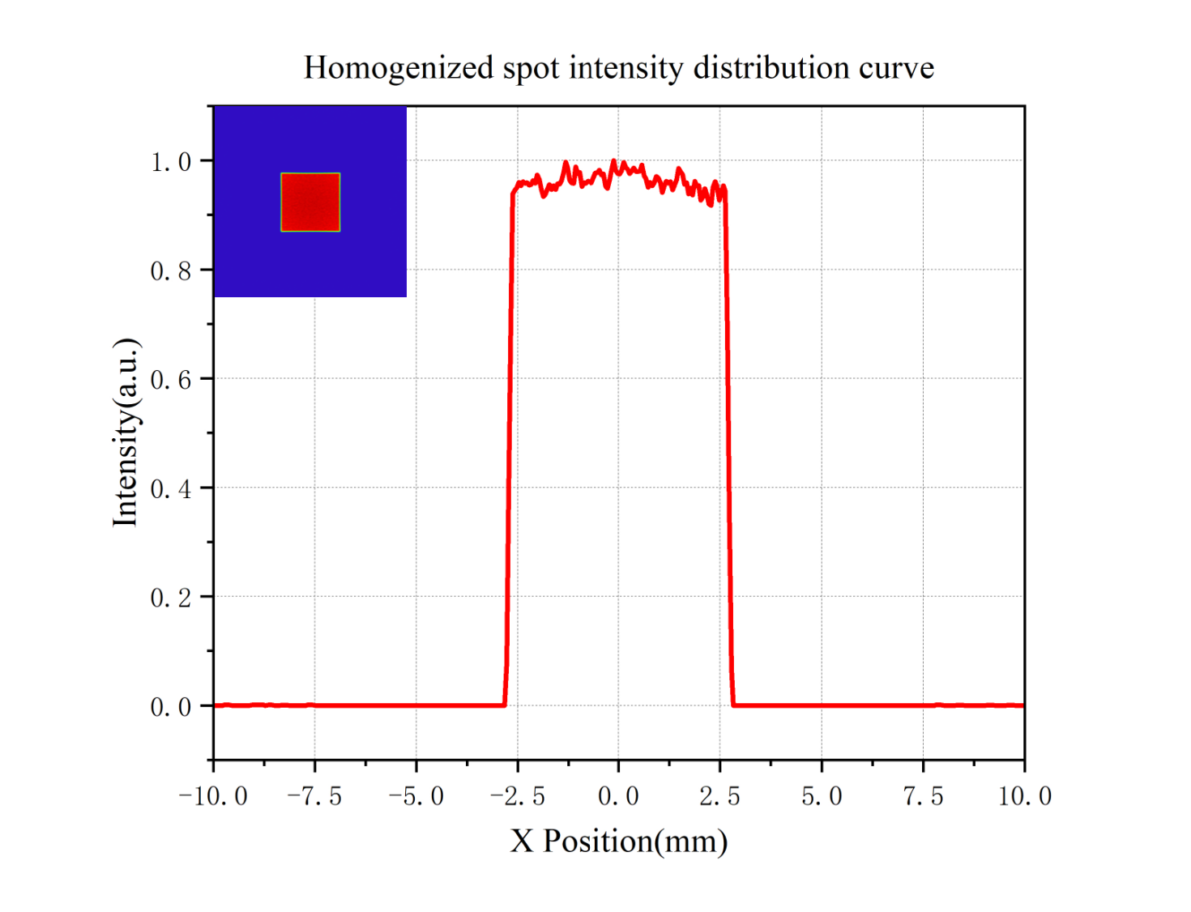
-9.025 | 0.00
-8.975 | 0.00
-8.925 | 0.00
-8.875 | 0.00
-8.825 | 0.00
-8.775 | 0.00
-8.725 | 0.00
-8.675 | 0.00
-8.625 | 0.00
-8.575 | 0.00
-8.525 | 0.00
-8.475 | 0.00
-8.425 | 0.00
-8.375 | 0.00
-8.325 | 0.00
-8.275 | 0.00
-8.225 | 0.00
-8.175 | 0.00
-8.125 | 0.00
-8.075 | 0.00
-8.025 | 0.00
-7.975 | 0.00
-7.925 | 0.00
-7.875 | 0.00
-7.825 | 0.00
-7.775 | 0.00
-7.725 | 0.00
-7.675 | 0.00
-7.625 | 0.00
-7.575 | 0.00
-7.525 | 0.00
-7.475 | 0.00
-7.425 | 0.00
-7.375 | 0.00
-7.325 | 0.00
-7.275 | 0.00
-7.225 | 0.00
-7.175 | 0.00
-7.125 | 0.00
-7.075 | 0.00
-7.025 | 0.00
-6.975 | 0.00
-6.925 | 0.00
-6.875 | 0.00
-6.825 | 0.00
-6.775 | 0.00
-6.725 | 0.00
-6.675 | 0.00
-6.625 | 0.00
-6.575 | 0.00
-6.525 | 0.00
-6.475 | 0.00
-6.425 | 0.00
-6.375 | 0.00
-6.325 | 0.00
-6.275 | 0.00
-6.225 | 0.00
-6.175 | 0.00
-6.125 | 0.00
-6.075 | 0.00
-6.025 | 0.00
-5.975 | 0.00
-5.925 | 0.00
-5.875 | 0.00
-5.825 | 0.00
-5.775 | 0.00
-5.725 | 0.00
-5.675 | 0.00
-5.625 | 0.00
-5.575 | 0.00
-5.525 | 0.00
-5.475 | 0.00
-5.425 | 0.00
-5.375 | 0.00
-5.325 | 0.00
-5.275 | 0.00
-5.225 | 0.00
-5.175 | 0.00
-5.125 | 0.00
-5.075 | 0.00
-5.025 | 0.00
-4.975 | 0.00
-4.925 | 0.00
-4.875 | 0.00
-4.825 | 0.00
-4.775 | 0.00
-4.725 | 0.00
-4.675 | 0.00
-4.625 | 0.00
-4.575 | 0.00
-4.525 | 0.00
-4.475 | 0.00
-4.425 | 0.00
-4.375 | 0.00
-4.325 | 0.00
-4.275 | 0.00
-4.225 | 0.00
-4.175 | 0.00
-4.125 | 0.00
-4.075 | 0.00
-4.025 | 0.00
-3.975 | 0.00
-3.925 | 0.00
-3.875 | 0.00
-3.825 | 0.00
-3.775 | 0.00
-3.725 | 0.00
-3.675 | 0.00
-3.625 | 0.00
-3.575 | 0.00
-3.525 | 0.00
-3.475 | 0.00
-3.425 | 0.00
-3.375 | 0.00
-3.325 | 0.00
-3.275 | 0.00
-3.225 | 0.00
-3.175 | 0.00
-3.125 | 0.00
-3.075 | 0.00
-3.025 | 0.00
-2.975 | 0.00
-2.925 | 0.00
-2.875 | 0.00
-2.825 | 0.00
-2.775 | 0.08
-2.725 | 0.39
-2.675 | 0.70
-2.625 | 0.94
-2.575 | 0.95
-2.525 | 0.95
-2.475 | 0.96
-2.425 | 0.95
-2.375 | 0.96
-2.325 | 0.96
-2.275 | 0.96
-2.225 | 0.95
-2.175 | 0.96
-2.125 | 0.96
-2.075 | 0.96
-2.025 | 0.97
-1.975 | 0.96
-1.925 | 0.95
-1.875 | 0.93
-1.825 | 0.94
-1.775 | 0.95
-1.725 | 0.96
-1.675 | 0.95
-1.625 | 0.95
-1.575 | 0.95
-1.525 | 0.96
-1.475 | 0.96
-1.425 | 0.96
-1.375 | 0.98
-1.325 | 1.00
-1.275 | 0.99
-1.225 | 0.96
-1.175 | 0.96
-1.125 | 0.96
-1.075 | 0.99
-1.025 | 0.97
-0.975 | 0.98
-0.925 | 0.95
-0.875 | 0.96
-0.825 | 0.96
-0.775 | 0.96
-0.725 | 0.96
-0.675 | 0.96
-0.625 | 0.97
-0.575 | 0.98
-0.525 | 0.98
-0.475 | 0.98
-0.425 | 0.97
-0.375 | 0.98
-0.325 | 0.95
-0.275 | 0.95
-0.225 | 0.96
-0.175 | 0.98
-0.125 | 1.00
-0.075 | 0.98
-0.025 | 0.98
0.025 | 0.98
0.075 | 0.98
0.125 | 1.00
0.175 | 0.99
0.225 | 0.98
0.275 | 0.98
0.325 | 0.98
0.375 | 0.99
0.425 | 0.98
0.475 | 0.98
0.525 | 0.98
0.575 | 0.99
0.625 | 0.97
0.675 | 0.97
0.725 | 0.95
0.775 | 0.96
0.825 | 0.95
0.875 | 0.96
0.925 | 0.97
0.975 | 0.97
1.025 | 0.96
1.075 | 0.94
1.125 | 0.95
1.175 | 0.96
1.225 | 0.96
1.275 | 0.96
1.325 | 0.95
1.375 | 0.95
1.425 | 0.96
1.475 | 0.99
1.525 | 0.98
1.575 | 0.97
1.625 | 0.96
1.675 | 0.96
1.725 | 0.94
1.775 | 0.95
1.825 | 0.94
1.875 | 0.96
1.925 | 0.95
1.975 | 0.95
2.025 | 0.93
2.075 | 0.93
2.125 | 0.95
2.175 | 0.94
2.225 | 0.92
2.275 | 0.92
2.325 | 0.95
2.375 | 0.96
2.425 | 0.95
2.475 | 0.93
2.525 | 0.94
2.575 | 0.95
2.625 | 0.94
2.675 | 0.68
2.725 | 0.36
2.775 | 0.07
2.825 | 0.00
2.875 | 0.00
2.925 | 0.00
2.975 | 0.00
3.025 | 0.00
3.075 | 0.00
3.125 | 0.00
3.175 | 0.00
3.225 | 0.00
3.275 | 0.00
3.325 | 0.00
3.375 | 0.00
3.425 | 0.00
3.475 | 0.00
3.525 | 0.00
3.575 | 0.00
3.625 | 0.00
3.675 | 0.00
3.725 | 0.00
3.775 | 0.00
3.825 | 0.00
3.875 | 0.00
3.925 | 0.00
3.975 | 0.00
4.025 | 0.00
4.075 | 0.00
4.125 | 0.00
4.175 | 0.00
4.225 | 0.00
4.275 | 0.00
4.325 | 0.00
4.375 | 0.00
4.425 | 0.00
4.475 | 0.00
4.525 | 0.00
4.575 | 0.00
4.625 | 0.00
4.675 | 0.00
4.725 | 0.00
4.775 | 0.00
4.825 | 0.00
4.875 | 0.00
4.925 | 0.00
4.975 | 0.00
5.025 | 0.00
5.075 | 0.00
5.125 | 0.00
5.175 | 0.00
5.225 | 0.00
5.275 | 0.00
5.325 | 0.00
5.375 | 0.00
5.425 | 0.00
5.475 | 0.00
5.525 | 0.00
5.575 | 0.00
5.625 | 0.00
5.675 | 0.00
5.725 | 0.00
5.775 | 0.00
5.825 | 0.00
5.875 | 0.00
5.925 | 0.00
5.975 | 0.00
6.025 | 0.00
6.075 | 0.00
6.125 | 0.00
6.175 | 0.00
6.225 | 0.00
6.275 | 0.00
6.325 | 0.00
6.375 | 0.00
6.425 | 0.00
6.475 | 0.00
6.525 | 0.00
6.575 | 0.00
6.625 | 0.00
6.675 | 0.00
6.725 | 0.00
6.775 | 0.00
6.825 | 0.00
6.875 | 0.00
6.925 | 0.00
6.975 | 0.00
7.025 | 0.00
7.075 | 0.00
7.125 | 0.00
7.175 | 0.00
7.225 | 0.00
7.275 | 0.00
7.325 | 0.00
7.375 | 0.00
7.425 | 0.00
7.475 | 0.00
7.525 | 0.00
7.575 | 0.00
7.625 | 0.00
7.675 | 0.00
7.725 | 0.00
7.775 | 0.00
7.825 | 0.00
7.875 | 0.00
7.925 | 0.00
7.975 | 0.00
8.025 | 0.00
8.075 | 0.00
8.125 | 0.00
8.175 | 0.00
8.225 | 0.00
8.275 | 0.00
8.325 | 0.00
8.375 | 0.00
8.425 | 0.00
8.475 | 0.00
8.525 | 0.00
8.575 | 0.00
8.625 | 0.00
8.675 | 0.00
8.725 | 0.00
8.775 | 0.00
8.825 | 0.00
8.875 | 0.00
8.925 | 0.00
8.975 | 0.00
9.025 | 0.00
9.075 | 0.00
9.125 | 0.00
9.175 | 0.00
9.225 | 0.00
9.275 | 0.00
9.325 | 0.00
9.375 | 0.00
9.425 | 0.00
9.475 | 0.00
9.525 | 0.00
9.575 | 0.00
9.625 | 0.00
9.675 | 0.00
9.725 | 0.00
9.775 | 0.00
9.825 | 0.00
9.875 | 0.00
9.925 | 0.00
9.975 | 0.00

