sheet1
DOE25-532-FTL250
x(μm) | Intensity(a.u.) | y(μm) | Intensity(a.u.)
-499.88 | 0.0000 | -499.8800 | 0.0000
-499.63 | 0.0000 | -499.6300 | 0.0000
-499.38 | 0.0000 | -499.3800 | 0.0000
-499.13 | 0.0000 | -499.1300 | 0.0000 | DOE Homogenizer Light Intensity Distribution Curve of Diffraction Spot This file indicates a typical data and there may be differences between product batches. If you have any questions, please contact LBTEK Technical Support. To quote this data, please indicate that the data source is from LBTEK.
-498.88 | 0.0000 | -498.8800 | 0.0000
-498.63 | 0.0000 | -498.6300 | 0.0000
-498.38 | 0.0000 | -498.3800 | 0.0000
-498.13 | 0.0000 | -498.1300 | 0.0000
-497.88 | 0.0000 | -497.8800 | 0.0000
-497.63 | 0.0000 | -497.6300 | 0.0000
-497.38 | 0.0000 | -497.3800 | 0.0000
-497.13 | 0.0000 | -497.1300 | 0.0000
-496.88 | 0.0000 | -496.8800 | 0.0000
-496.63 | 0.0000 | -496.6300 | 0.0000 | LBTEK Mall：www.lbtek.com Tel：0731-84165699 LBTEK Technical Support E-mail：service@lbtek.com
-496.38 | 0.0000 | -496.3800 | 0.0000
-496.13 | 0.0000 | -496.1300 | 0.0000
-495.88 | 0.0000 | -495.8800 | 0.0000
-495.63 | 0.0000 | -495.6300 | 0.0000 | 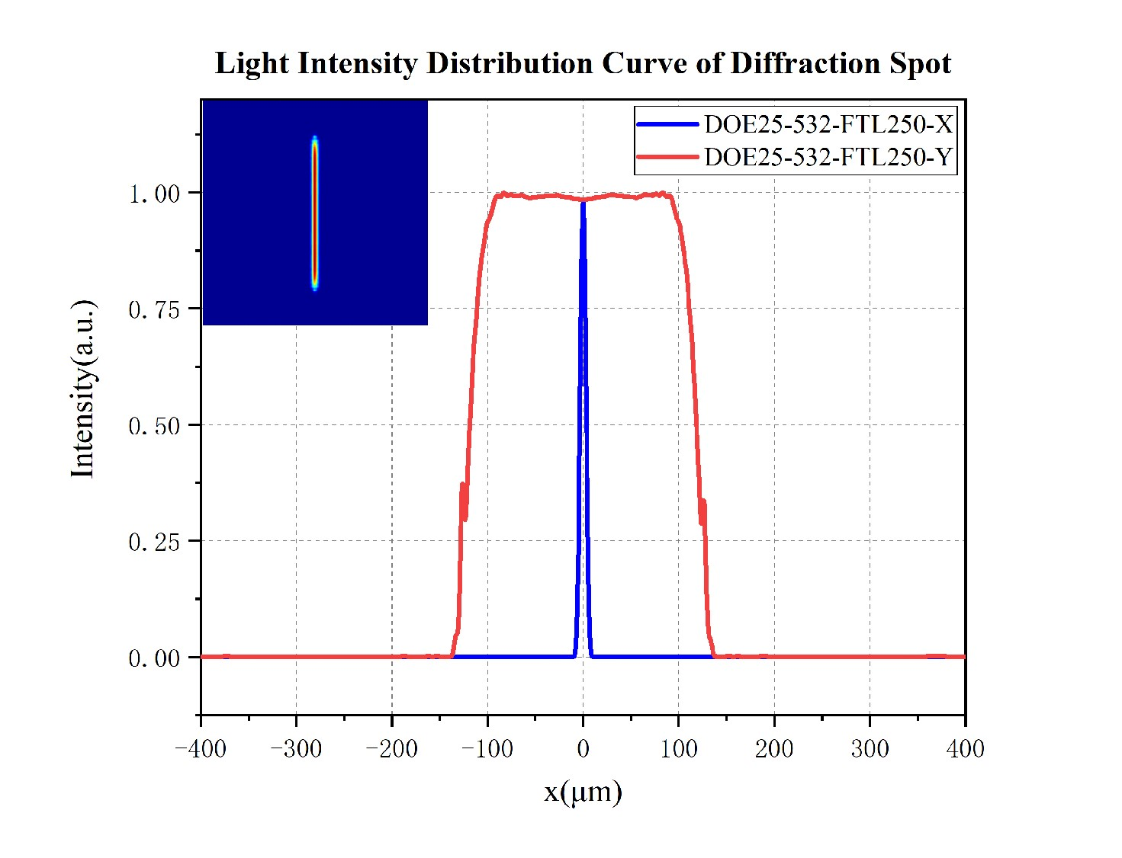
-495.38 | 0.0000 | -495.3800 | 0.0000
-495.13 | 0.0000 | -495.1300 | 0.0000
-494.88 | 0.0000 | -494.8800 | 0.0000
-494.63 | 0.0000 | -494.6300 | 0.0000
-494.38 | 0.0000 | -494.3800 | 0.0000
-494.13 | 0.0000 | -494.1300 | 0.0000
-493.88 | 0.0000 | -493.8800 | 0.0000
-493.63 | 0.0000 | -493.6300 | 0.0000
-493.38 | 0.0000 | -493.3800 | 0.0000
-493.13 | 0.0000 | -493.1300 | 0.0000
-492.88 | 0.0000 | -492.8800 | 0.0000
-492.63 | 0.0000 | -492.6300 | 0.0000
-492.38 | 0.0000 | -492.3800 | 0.0000
-492.13 | 0.0000 | -492.1300 | 0.0000
-491.88 | 0.0000 | -491.8800 | 0.0000
-491.63 | 0.0000 | -491.6300 | 0.0000
-491.38 | 0.0000 | -491.3800 | 0.0000
-491.13 | 0.0000 | -491.1300 | 0.0000
-490.88 | 0.0000 | -490.8800 | 0.0000
-490.63 | 0.0000 | -490.6300 | 0.0000
-490.38 | 0.0000 | -490.3800 | 0.0000
-490.13 | 0.0000 | -490.1300 | 0.0000
-489.88 | 0.0000 | -489.8800 | 0.0000
-489.63 | 0.0000 | -489.6300 | 0.0000
-489.38 | 0.0000 | -489.3800 | 0.0000
-489.13 | 0.0000 | -489.1300 | 0.0000
-488.88 | 0.0000 | -488.8800 | 0.0000
-488.63 | 0.0000 | -488.6300 | 0.0000
-488.38 | 0.0000 | -488.3800 | 0.0000
-488.13 | 0.0000 | -488.1300 | 0.0000
-487.88 | 0.0000 | -487.8800 | 0.0000
-487.63 | 0.0000 | -487.6300 | 0.0000
-487.38 | 0.0000 | -487.3800 | 0.0000
-487.13 | 0.0000 | -487.1300 | 0.0000
-486.88 | 0.0000 | -486.8800 | 0.0000
-486.63 | 0.0000 | -486.6300 | 0.0000
-486.38 | 0.0000 | -486.3800 | 0.0000
-486.13 | 0.0000 | -486.1300 | 0.0000
-485.88 | 0.0000 | -485.8800 | 0.0000
-485.63 | 0.0000 | -485.6300 | 0.0000
-485.38 | 0.0000 | -485.3800 | 0.0000
-485.13 | 0.0000 | -485.1300 | 0.0000
-484.88 | 0.0000 | -484.8800 | 0.0000
-484.63 | 0.0000 | -484.6300 | 0.0000
-484.38 | 0.0000 | -484.3800 | 0.0000
-484.13 | 0.0000 | -484.1300 | 0.0000
-483.88 | 0.0000 | -483.8800 | 0.0000
-483.63 | 0.0000 | -483.6300 | 0.0000
-483.38 | 0.0000 | -483.3800 | 0.0000
-483.13 | 0.0000 | -483.1300 | 0.0000
-482.88 | 0.0000 | -482.8800 | 0.0000
-482.63 | 0.0000 | -482.6300 | 0.0000
-482.38 | 0.0000 | -482.3800 | 0.0000
-482.13 | 0.0000 | -482.1300 | 0.0000
-481.88 | 0.0000 | -481.8800 | 0.0000
-481.63 | 0.0000 | -481.6300 | 0.0000
-481.38 | 0.0000 | -481.3800 | 0.0000
-481.13 | 0.0000 | -481.1300 | 0.0000
-480.88 | 0.0000 | -480.8800 | 0.0000
-480.63 | 0.0000 | -480.6300 | 0.0000
-480.38 | 0.0000 | -480.3800 | 0.0000
-480.13 | 0.0000 | -480.1300 | 0.0000
-479.88 | 0.0000 | -479.8800 | 0.0000
-479.63 | 0.0000 | -479.6300 | 0.0000
-479.38 | 0.0000 | -479.3800 | 0.0000
-479.13 | 0.0000 | -479.1300 | 0.0000
-478.88 | 0.0000 | -478.8800 | 0.0000
-478.63 | 0.0000 | -478.6300 | 0.0000
-478.38 | 0.0000 | -478.3800 | 0.0000
-478.13 | 0.0000 | -478.1300 | 0.0000
-477.88 | 0.0000 | -477.8800 | 0.0000
-477.63 | 0.0000 | -477.6300 | 0.0000
-477.38 | 0.0000 | -477.3800 | 0.0000
-477.13 | 0.0000 | -477.1300 | 0.0000
-476.88 | 0.0000 | -476.8800 | 0.0000
-476.63 | 0.0000 | -476.6300 | 0.0000
-476.38 | 0.0000 | -476.3800 | 0.0000
-476.13 | 0.0000 | -476.1300 | 0.0000
-475.88 | 0.0000 | -475.8800 | 0.0000
-475.63 | 0.0000 | -475.6300 | 0.0000
-475.38 | 0.0000 | -475.3800 | 0.0000
-475.13 | 0.0000 | -475.1300 | 0.0000
-474.88 | 0.0000 | -474.8800 | 0.0000
-474.63 | 0.0000 | -474.6300 | 0.0000
-474.38 | 0.0000 | -474.3800 | 0.0000
-474.13 | 0.0000 | -474.1300 | 0.0000
-473.88 | 0.0000 | -473.8800 | 0.0000
-473.63 | 0.0000 | -473.6300 | 0.0000
-473.38 | 0.0000 | -473.3800 | 0.0000
-473.13 | 0.0000 | -473.1300 | 0.0000
-472.88 | 0.0000 | -472.8800 | 0.0000
-472.63 | 0.0000 | -472.6300 | 0.0000
-472.38 | 0.0000 | -472.3800 | 0.0000
-472.13 | 0.0000 | -472.1300 | 0.0000
-471.88 | 0.0000 | -471.8800 | 0.0000
-471.63 | 0.0000 | -471.6300 | 0.0000
-471.38 | 0.0000 | -471.3800 | 0.0000
-471.13 | 0.0000 | -471.1300 | 0.0000
-470.88 | 0.0000 | -470.8800 | 0.0000
-470.63 | 0.0000 | -470.6300 | 0.0000
-470.38 | 0.0000 | -470.3800 | 0.0000
-470.13 | 0.0000 | -470.1300 | 0.0000
-469.88 | 0.0000 | -469.8800 | 0.0000
-469.63 | 0.0000 | -469.6300 | 0.0000
-469.38 | 0.0000 | -469.3800 | 0.0000
-469.13 | 0.0000 | -469.1300 | 0.0000
-468.88 | 0.0000 | -468.8800 | 0.0000
-468.63 | 0.0000 | -468.6300 | 0.0000
-468.38 | 0.0000 | -468.3800 | 0.0000
-468.13 | 0.0000 | -468.1300 | 0.0000
-467.88 | 0.0000 | -467.8800 | 0.0000
-467.63 | 0.0000 | -467.6300 | 0.0000
-467.38 | 0.0000 | -467.3800 | 0.0000
-467.13 | 0.0000 | -467.1300 | 0.0000
-466.88 | 0.0000 | -466.8800 | 0.0000
-466.63 | 0.0000 | -466.6300 | 0.0000
-466.38 | 0.0000 | -466.3800 | 0.0000
-466.13 | 0.0000 | -466.1300 | 0.0000
-465.88 | 0.0000 | -465.8800 | 0.0000
-465.63 | 0.0000 | -465.6300 | 0.0000
-465.38 | 0.0000 | -465.3800 | 0.0000
-465.13 | 0.0000 | -465.1300 | 0.0000
-464.88 | 0.0000 | -464.8800 | 0.0000
-464.63 | 0.0000 | -464.6300 | 0.0000
-464.38 | 0.0000 | -464.3800 | 0.0000
-464.13 | 0.0000 | -464.1300 | 0.0000
-463.88 | 0.0000 | -463.8800 | 0.0000
-463.63 | 0.0000 | -463.6300 | 0.0000
-463.38 | 0.0000 | -463.3800 | 0.0000
-463.13 | 0.0000 | -463.1300 | 0.0000
-462.88 | 0.0000 | -462.8800 | 0.0000
-462.63 | 0.0000 | -462.6300 | 0.0000
-462.38 | 0.0000 | -462.3800 | 0.0000
-462.13 | 0.0000 | -462.1300 | 0.0000
-461.88 | 0.0000 | -461.8800 | 0.0000
-461.63 | 0.0000 | -461.6300 | 0.0000
-461.38 | 0.0000 | -461.3800 | 0.0000
-461.13 | 0.0000 | -461.1300 | 0.0000
-460.88 | 0.0000 | -460.8800 | 0.0000
-460.63 | 0.0000 | -460.6300 | 0.0000
-460.38 | 0.0000 | -460.3800 | 0.0000
-460.13 | 0.0000 | -460.1300 | 0.0000
-459.89 | 0.0000 | -459.8900 | 0.0000
-459.64 | 0.0000 | -459.6400 | 0.0000
-459.39 | 0.0000 | -459.3900 | 0.0000
-459.14 | 0.0000 | -459.1400 | 0.0000
-458.89 | 0.0000 | -458.8900 | 0.0000
-458.64 | 0.0000 | -458.6400 | 0.0000
-458.39 | 0.0000 | -458.3900 | 0.0000
-458.14 | 0.0000 | -458.1400 | 0.0000
-457.89 | 0.0000 | -457.8900 | 0.0000
-457.64 | 0.0000 | -457.6400 | 0.0000
-457.39 | 0.0000 | -457.3900 | 0.0000
-457.14 | 0.0000 | -457.1400 | 0.0000
-456.89 | 0.0000 | -456.8900 | 0.0000
-456.64 | 0.0000 | -456.6400 | 0.0000
-456.39 | 0.0000 | -456.3900 | 0.0000
-456.14 | 0.0000 | -456.1400 | 0.0000
-455.89 | 0.0000 | -455.8900 | 0.0000
-455.64 | 0.0000 | -455.6400 | 0.0000
-455.39 | 0.0000 | -455.3900 | 0.0000
-455.14 | 0.0000 | -455.1400 | 0.0000
-454.89 | 0.0000 | -454.8900 | 0.0000
-454.64 | 0.0000 | -454.6400 | 0.0000
-454.39 | 0.0000 | -454.3900 | 0.0000
-454.14 | 0.0000 | -454.1400 | 0.0000
-453.89 | 0.0000 | -453.8900 | 0.0000
-453.64 | 0.0000 | -453.6400 | 0.0000
-453.39 | 0.0000 | -453.3900 | 0.0000
-453.14 | 0.0000 | -453.1400 | 0.0000
-452.89 | 0.0000 | -452.8900 | 0.0000
-452.64 | 0.0000 | -452.6400 | 0.0000
-452.39 | 0.0000 | -452.3900 | 0.0000
-452.14 | 0.0000 | -452.1400 | 0.0000
-451.89 | 0.0000 | -451.8900 | 0.0000
-451.64 | 0.0000 | -451.6400 | 0.0000
-451.39 | 0.0000 | -451.3900 | 0.0000
-451.14 | 0.0000 | -451.1400 | 0.0000
-450.89 | 0.0000 | -450.8900 | 0.0000
-450.64 | 0.0000 | -450.6400 | 0.0000
-450.39 | 0.0000 | -450.3900 | 0.0000
-450.14 | 0.0000 | -450.1400 | 0.0000
-449.89 | 0.0000 | -449.8900 | 0.0000
-449.64 | 0.0000 | -449.6400 | 0.0000
-449.39 | 0.0000 | -449.3900 | 0.0000
-449.14 | 0.0000 | -449.1400 | 0.0000
-448.89 | 0.0000 | -448.8900 | 0.0000
-448.64 | 0.0000 | -448.6400 | 0.0000
-448.39 | 0.0000 | -448.3900 | 0.0000
-448.14 | 0.0000 | -448.1400 | 0.0000
-447.89 | 0.0000 | -447.8900 | 0.0000
-447.64 | 0.0000 | -447.6400 | 0.0000
-447.39 | 0.0000 | -447.3900 | 0.0000
-447.14 | 0.0000 | -447.1400 | 0.0000
-446.89 | 0.0000 | -446.8900 | 0.0000
-446.64 | 0.0000 | -446.6400 | 0.0000
-446.39 | 0.0000 | -446.3900 | 0.0000
-446.14 | 0.0000 | -446.1400 | 0.0000
-445.89 | 0.0000 | -445.8900 | 0.0000
-445.64 | 0.0000 | -445.6400 | 0.0000
-445.39 | 0.0000 | -445.3900 | 0.0000
-445.14 | 0.0000 | -445.1400 | 0.0000
-444.89 | 0.0000 | -444.8900 | 0.0000
-444.64 | 0.0000 | -444.6400 | 0.0000
-444.39 | 0.0000 | -444.3900 | 0.0000
-444.14 | 0.0000 | -444.1400 | 0.0000
-443.89 | 0.0000 | -443.8900 | 0.0000
-443.64 | 0.0000 | -443.6400 | 0.0000
-443.39 | 0.0000 | -443.3900 | 0.0000
-443.14 | 0.0000 | -443.1400 | 0.0000
-442.89 | 0.0000 | -442.8900 | 0.0000
-442.64 | 0.0000 | -442.6400 | 0.0000
-442.39 | 0.0000 | -442.3900 | 0.0000
-442.14 | 0.0000 | -442.1400 | 0.0000
-441.89 | 0.0000 | -441.8900 | 0.0000
-441.64 | 0.0000 | -441.6400 | 0.0000
-441.39 | 0.0000 | -441.3900 | 0.0000
-441.14 | 0.0000 | -441.1400 | 0.0000
-440.89 | 0.0000 | -440.8900 | 0.0000
-440.64 | 0.0000 | -440.6400 | 0.0000
-440.39 | 0.0000 | -440.3900 | 0.0000
-440.14 | 0.0000 | -440.1400 | 0.0000
-439.89 | 0.0000 | -439.8900 | 0.0000
-439.64 | 0.0000 | -439.6400 | 0.0000
-439.39 | 0.0000 | -439.3900 | 0.0000
-439.14 | 0.0000 | -439.1400 | 0.0000
-438.89 | 0.0000 | -438.8900 | 0.0000
-438.64 | 0.0000 | -438.6400 | 0.0000
-438.39 | 0.0000 | -438.3900 | 0.0000
-438.14 | 0.0000 | -438.1400 | 0.0000
-437.89 | 0.0000 | -437.8900 | 0.0000
-437.64 | 0.0000 | -437.6400 | 0.0000
-437.39 | 0.0000 | -437.3900 | 0.0000
-437.14 | 0.0000 | -437.1400 | 0.0000
-436.89 | 0.0000 | -436.8900 | 0.0000
-436.64 | 0.0000 | -436.6400 | 0.0000
-436.39 | 0.0000 | -436.3900 | 0.0000
-436.14 | 0.0000 | -436.1400 | 0.0000
-435.89 | 0.0000 | -435.8900 | 0.0000
-435.64 | 0.0000 | -435.6400 | 0.0000
-435.39 | 0.0000 | -435.3900 | 0.0000
-435.14 | 0.0000 | -435.1400 | 0.0000
-434.89 | 0.0000 | -434.8900 | 0.0000
-434.64 | 0.0000 | -434.6400 | 0.0000
-434.39 | 0.0000 | -434.3900 | 0.0000
-434.14 | 0.0000 | -434.1400 | 0.0000
-433.89 | 0.0000 | -433.8900 | 0.0000
-433.64 | 0.0000 | -433.6400 | 0.0000
-433.39 | 0.0000 | -433.3900 | 0.0000
-433.14 | 0.0000 | -433.1400 | 0.0000
-432.89 | 0.0000 | -432.8900 | 0.0000
-432.64 | 0.0000 | -432.6400 | 0.0000
-432.39 | 0.0000 | -432.3900 | 0.0000
-432.14 | 0.0000 | -432.1400 | 0.0000
-431.89 | 0.0000 | -431.8900 | 0.0000
-431.64 | 0.0000 | -431.6400 | 0.0000
-431.39 | 0.0000 | -431.3900 | 0.0000
-431.14 | 0.0000 | -431.1400 | 0.0000
-430.89 | 0.0000 | -430.8900 | 0.0000
-430.64 | 0.0000 | -430.6400 | 0.0000
-430.39 | 0.0000 | -430.3900 | 0.0000
-430.14 | 0.0000 | -430.1400 | 0.0000
-429.89 | 0.0000 | -429.8900 | 0.0000
-429.64 | 0.0000 | -429.6400 | 0.0000
-429.39 | 0.0000 | -429.3900 | 0.0000
-429.14 | 0.0000 | -429.1400 | 0.0000
-428.89 | 0.0000 | -428.8900 | 0.0000
-428.64 | 0.0000 | -428.6400 | 0.0000
-428.39 | 0.0000 | -428.3900 | 0.0000
-428.14 | 0.0000 | -428.1400 | 0.0000
-427.89 | 0.0000 | -427.8900 | 0.0000
-427.64 | 0.0000 | -427.6400 | 0.0000
-427.39 | 0.0000 | -427.3900 | 0.0000
-427.14 | 0.0000 | -427.1400 | 0.0000
-426.89 | 0.0000 | -426.8900 | 0.0000
-426.64 | 0.0000 | -426.6400 | 0.0000
-426.39 | 0.0000 | -426.3900 | 0.0000
-426.14 | 0.0000 | -426.1400 | 0.0000
-425.89 | 0.0000 | -425.8900 | 0.0000
-425.64 | 0.0000 | -425.6400 | 0.0000
-425.39 | 0.0000 | -425.3900 | 0.0000
-425.14 | 0.0000 | -425.1400 | 0.0000
-424.89 | 0.0000 | -424.8900 | 0.0000
-424.64 | 0.0000 | -424.6400 | 0.0000
-424.39 | 0.0000 | -424.3900 | 0.0000
-424.14 | 0.0000 | -424.1400 | 0.0000
-423.89 | 0.0000 | -423.8900 | 0.0000
-423.64 | 0.0000 | -423.6400 | 0.0000
-423.39 | 0.0000 | -423.3900 | 0.0000
-423.14 | 0.0000 | -423.1400 | 0.0000
-422.89 | 0.0000 | -422.8900 | 0.0000
-422.64 | 0.0000 | -422.6400 | 0.0000
-422.39 | 0.0000 | -422.3900 | 0.0000
-422.14 | 0.0000 | -422.1400 | 0.0001
-421.89 | 0.0000 | -421.8900 | 0.0001
-421.64 | 0.0000 | -421.6400 | 0.0001
-421.39 | 0.0000 | -421.3900 | 0.0001
-421.14 | 0.0000 | -421.1400 | 0.0001
-420.89 | 0.0000 | -420.8900 | 0.0001
-420.64 | 0.0000 | -420.6400 | 0.0001
-420.39 | 0.0000 | -420.3900 | 0.0001
-420.14 | 0.0000 | -420.1400 | 0.0001
-419.9 | 0.0000 | -419.9000 | 0.0001
-419.65 | 0.0000 | -419.6500 | 0.0001
-419.4 | 0.0000 | -419.4000 | 0.0001
-419.15 | 0.0000 | -419.1500 | 0.0001
-418.9 | 0.0000 | -418.9000 | 0.0001
-418.65 | 0.0000 | -418.6500 | 0.0001
-418.4 | 0.0000 | -418.4000 | 0.0001
-418.15 | 0.0000 | -418.1500 | 0.0001
-417.9 | 0.0000 | -417.9000 | 0.0001
-417.65 | 0.0000 | -417.6500 | 0.0001
-417.4 | 0.0000 | -417.4000 | 0.0001
-417.15 | 0.0000 | -417.1500 | 0.0001
-416.9 | 0.0000 | -416.9000 | 0.0001
-416.65 | 0.0000 | -416.6500 | 0.0000
-416.4 | 0.0000 | -416.4000 | 0.0000
-416.15 | 0.0000 | -416.1500 | 0.0000
-415.9 | 0.0000 | -415.9000 | 0.0000
...

