Sheet1
 | Diffraction Efficiency VS Incident Angle（PZGS-5-520 for Example）
 | Wavelength | AOI | -1 | 0 | 1 | Others | Diffraction Efficiency
 | (nm) | (°) | (μW) | (μW) | (μW) | (μW) | (%)
⊥ | 532 | 25 | 1158 | 109.2 | 1147 | 2 | 95.3977
 |  | 20 | 1163 | 68.3 | 1170 | 1.17 | 97.1084
 |  | 15 | 1154 | 40.3 | 1207 | 0.8 | 98.2890 | Polarization Grating Diffraction Efficiency VS Incident Angle（PZGS-5-520 for Example） This file indicates a typical data and there may be differences between product batches. If you have any questions, please contact LBTEK Technical Support. To quote this data, please indicate that the data source is from LBTEK.
 |  | 10 | 1163 | 20 | 1222 | 0.75 | 99.1375
 |  | 5 | 1175 | 9.76 | 1235 | 0.85 | 99.5617
 |  | 0 | 1195 | 6.49 | 1250 | 0.92 | 99.6978
 |  | -5 | 1160 | 10.43 | 1230 | 0.82 | 99.5315
 |  | -10 | 1166 | 21.5 | 1238 | 0.72 | 99.0842
 |  | -15 | 1173 | 41.1 | 1211 | 0.93 | 98.2675
 |  | -20 | 1162 | 65.6 | 1197 | 1.42 | 97.2375
 |  | -25 | 1165 | 96.1 | 1169 | 2.4 | 95.9507 | LBTEK Mall：www.lbtek.com Tel：0731-84165699 LBTEK Technical Support E-mail：service@lbtek.com

∥ |  | 25 | 1174 | 6.32 | 1243 | 8.24 | 99.4012
 |  | 20 | 1189 | 4.61 | 1239 | 4.98 | 99.6066
 |  | 15 | 1204 | 3.41 | 1225 | 3.51 | 99.7159 | 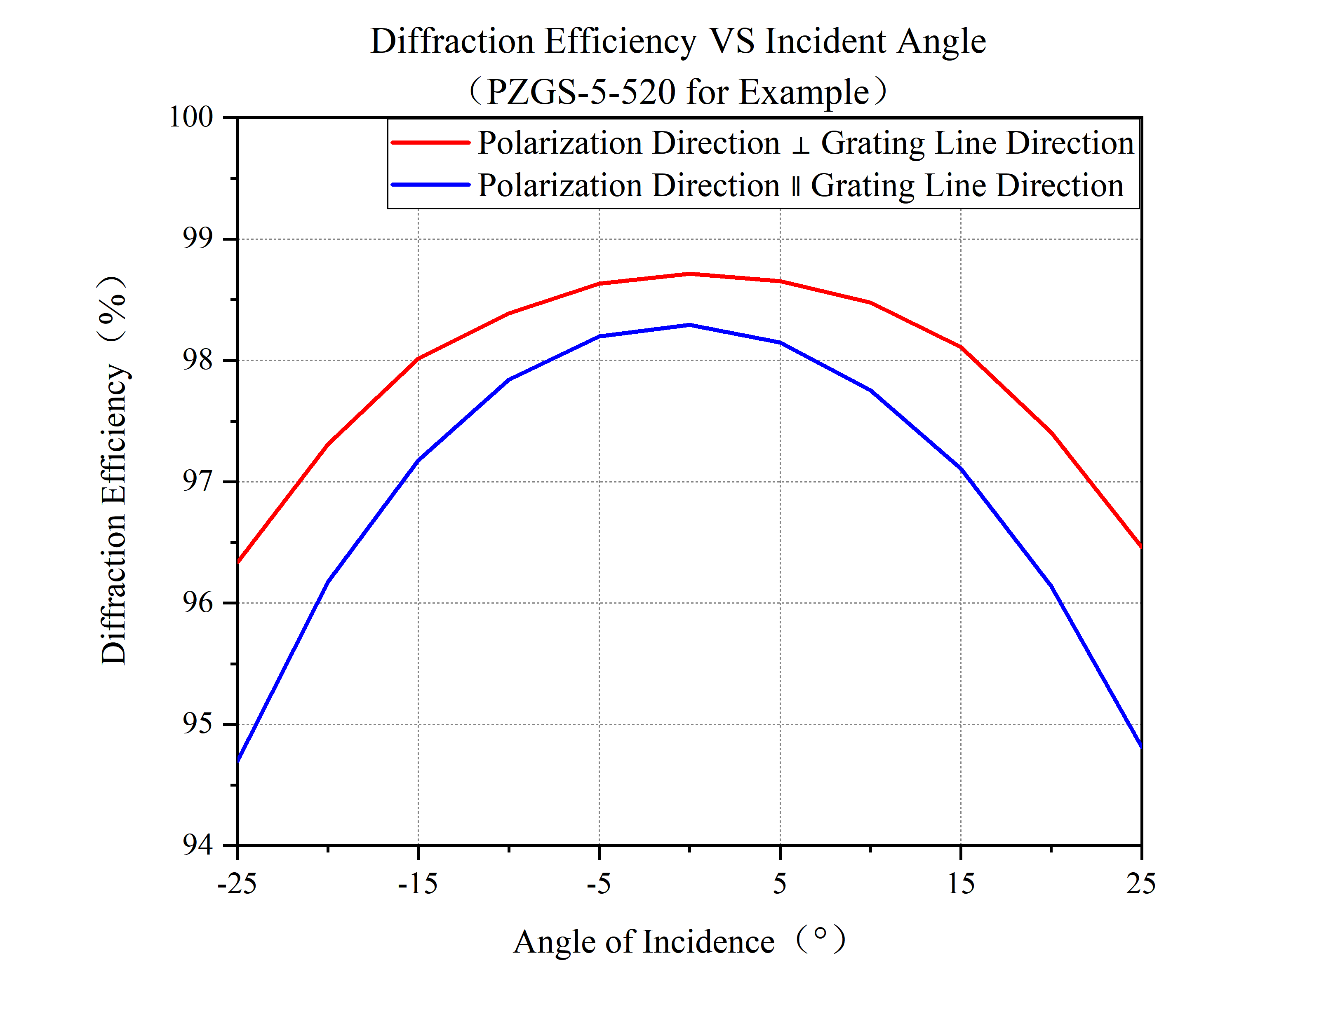 ···
 |  | 10 | 1211 | 2.72 | 1260 | 2.49 | 99.7896
 |  | 5 | 1212 | 2.58 | 1232 | 1.84 | 99.8195
 |  | 0 | 1205 | 2.55 | 1220 | 1.35 | 99.8394
 |  | -5 | 1208 | 3 | 1225 | 1.16 | 99.8293
 |  | -10 | 1202 | 4.18 | 1247 | 1.73 | 99.7593
 |  | -15 | 1193 | 5.82 | 1224 | 2.48 | 99.6578
 |  | -20 | 1181 | 8.45 | 1239 | 3.53 | 99.5074
 |  | -25 | 1165 | 13 | 1255 | 5.75 | 99.2312

