OD5 6 8
OD8
Wavelength (nm) | Transmission | OD
650 | 0.0000028080 | 7.551597595
649 | 0.0000029257 | 7.533763409
648 | 0.0000028052 | 7.552035332
647 | 0.0000028467 | 7.545657158 | NDFA10-80 Neutral Density Filter ND-0, OD=8.0±0.40 This file indicates a typical data and there may be differences between product batches. If you have any questions, please contact LBTEK Technical Support. To quote this data, please indicate that the data source is from LBTEK.
646 | 0.0000029199 | 7.534629822
645 | 0.0000028265 | 7.548757553
644 | 0.0000027540 | 7.560033798
643 | 0.0000027157 | 7.566112041
642 | 0.0000025997 | 7.58507967
641 | 0.0000024850 | 7.60466671
640 | 0.0000026519 | 7.576436043
639 | 0.0000025135 | 7.599726677
638 | 0.0000025316 | 7.596600056
637 | 0.0000025405 | 7.595079899 | LBTEK Mall：www.lbtek.com Tel：0731-84165699 LBTEK Technical Support E-mail：service@lbtek.com
636 | 0.0000023062 | 7.637103081
635 | 0.0000024313 | 7.61415863
634 | 0.0000023061 | 7.637129307
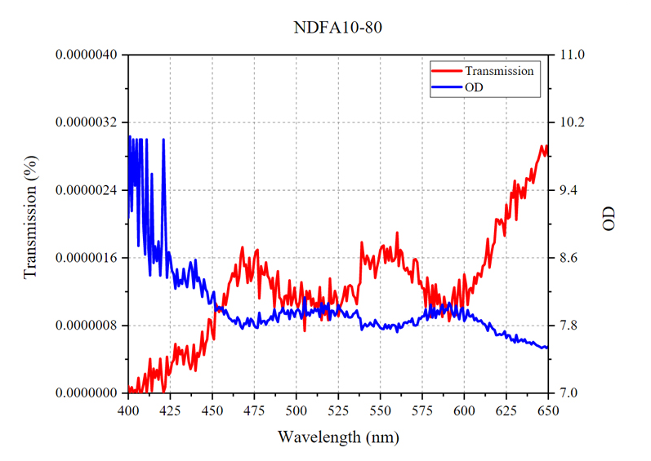
633 | 0.0000023976 | 7.620218277
632 | 0.0000024685 | 7.607566357
631 | 0.0000020480 | 7.688667774
630 | 0.0000025095 | 7.600407124
629 | 0.0000023117 | 7.636063099
628 | 0.0000023686 | 7.62550354
627 | 0.0000020820 | 7.681513309
626 | 0.0000020650 | 7.685082436
625 | 0.0000022283 | 7.652029037
624 | 0.0000018602 | 7.730442524
623 | 0.0000020041 | 7.698088646
622 | 0.0000020532 | 7.687558174
621 | 0.0000019953 | 7.699982643
620 | 0.0000020503 | 7.688179016
619 | 0.0000020560 | 7.686976433
618 | 0.0000017826 | 7.748944283
617 | 0.0000017474 | 7.757610321
616 | 0.0000016320 | 7.787279606
615 | 0.0000014845 | 7.828418255
614 | 0.0000018251 | 7.738721848
613 | 0.0000016197 | 7.790574074
612 | 0.0000015209 | 7.817894459
611 | 0.0000015000 | 7.823907852
610 | 0.0000013763 | 7.861284256
609 | 0.0000014114 | 7.850339413
608 | 0.0000014179 | 7.848359108
607 | 0.0000012957 | 7.887503147
606 | 0.0000013733 | 7.862246037
605 | 0.0000011828 | 7.927097321
604 | 0.0000012419 | 7.905916214
603 | 0.0000012296 | 7.910228252
602 | 0.0000010428 | 7.981811047
601 | 0.0000012836 | 7.891579628
600 | 0.0000014042 | 7.852570057
599 | 0.0000009777 | 8.009786606
598 | 0.0000010268 | 7.988518715
597 | 0.0000013406 | 7.872686863
596 | 0.0000011419 | 7.942379475
595 | 0.0000009229 | 8.034836769
594 | 0.0000012502 | 7.903029919
593 | 0.0000011367 | 7.944340706
592 | 0.0000009371 | 8.028211594
591 | 0.0000008520 | 8.069572449
590 | 0.0000010387 | 7.983501911
589 | 0.0000010146 | 7.993713379
588 | 0.0000011384 | 7.943692207
587 | 0.0000009002 | 8.045684814
586 | 0.0000010062 | 7.997332096
585 | 0.0000011688 | 7.932265759
584 | 0.0000010520 | 7.977973938
583 | 0.0000012860 | 7.890767574
582 | 0.0000009908 | 8.00402832
581 | 0.0000012741 | 7.894804001
580 | 0.0000008985 | 8.046466827
579 | 0.0000011958 | 7.922352314
578 | 0.0000013665 | 7.864388466
577 | 0.0000010213 | 7.99082613
576 | 0.0000012390 | 7.906939983
575 | 0.0000012394 | 7.906797886
574 | 0.0000013244 | 7.87797451
573 | 0.0000012927 | 7.888506413
572 | 0.0000015459 | 7.810807705
571 | 0.0000015843 | 7.800172329
570 | 0.0000015750 | 7.802707672
569 | 0.0000013091 | 7.883020878
568 | 0.0000014383 | 7.842161179
567 | 0.0000014078 | 7.851457119
566 | 0.0000014817 | 7.829242229
565 | 0.0000014500 | 7.838628292
564 | 0.0000014788 | 7.830102921
563 | 0.0000016592 | 7.780105114
562 | 0.0000016940 | 7.771098137
561 | 0.0000015039 | 7.822787762
560 | 0.0000018995 | 7.721360207
559 | 0.0000016043 | 7.794710159
558 | 0.0000015671 | 7.804908276
557 | 0.0000015596 | 7.806999207
556 | 0.0000017275 | 7.762586594
555 | 0.0000015679 | 7.804688931
554 | 0.0000017077 | 7.767584324
553 | 0.0000015394 | 7.812646389
552 | 0.0000017456 | 7.758067131
551 | 0.0000017340 | 7.760940552
550 | 0.0000016917 | 7.771688461
549 | 0.0000015732 | 7.803218842
548 | 0.0000014834 | 7.828742981
547 | 0.0000013624 | 7.865691185
546 | 0.0000016217 | 7.790018082
545 | 0.0000015638 | 7.805826187
544 | 0.0000014692 | 7.832922935
543 | 0.0000015823 | 7.800699711
542 | 0.0000016254 | 7.789045334
541 | 0.0000015259 | 7.816477299
540 | 0.0000016152 | 7.791760921
539 | 0.0000017841 | 7.748579502
538 | 0.0000013040 | 7.884709358
537 | 0.0000012667 | 7.897332668
536 | 0.0000010534 | 7.977395058
535 | 0.0000011282 | 7.94761467
534 | 0.0000011567 | 7.936789513
533 | 0.0000012593 | 7.899887562
532 | 0.0000012771 | 7.893784046
531 | 0.0000012619 | 7.898969173
530 | 0.0000010883 | 7.963261604
529 | 0.0000012589 | 7.900002003
528 | 0.0000011443 | 7.941474915
527 | 0.0000010673 | 7.971710682
526 | 0.0000010122 | 7.994753361
525 | 0.0000009111 | 8.04043293
524 | 0.0000011285 | 7.947500706
523 | 0.0000012092 | 7.917496204
522 | 0.0000010690 | 7.971042156
521 | 0.0000010573 | 7.97579813
520 | 0.0000013565 | 7.867573261
519 | 0.0000008627 | 8.064146042
518 | 0.0000010131 | 7.994354725
517 | 0.0000009248 | 8.033966064
516 | 0.0000011321 | 7.946120262
515 | 0.0000008616 | 8.064688683
514 | 0.0000012532 | 7.901986599
513 | 0.0000010071 | 7.996941566
512 | 0.0000010660 | 7.97225523
511 | 0.0000010027 | 7.998830318
510 | 0.0000011172 | 7.95188427
509 | 0.0000010359 | 7.984699249
508 | 0.0000012092 | 7.91749239
507 | 0.0000011141 | 7.953078747
506 | 0.0000012069 | 7.9183321
505 | 0.0000007363 | 8.132921219
504 | 0.0000011443 | 7.941452026
503 | 0.0000013103 | 7.882631779
502 | 0.0000010821 | 7.965721607
501 | 0.0000010174 | 7.992496967
500 | 0.0000010665 | 7.972024918
499 | 0.0000012473 | 7.904034615
498 | 0.0000011171 | 7.951925278
497 | 0.0000010382 | 7.983727455
496 | 0.0000013333 | 7.875087261
495 | 0.0000010513 | 7.978281498
494 | 0.0000011544 | 7.937633038
493 | 0.0000011433 | 7.941853523
492 | 0.0000009766 | 8.010304451
491 | 0.0000011062 | 7.956157207
490 | 0.0000011329 | 7.945817471
489 | 0.0000014421 | 7.841010094
488 | 0.0000012789 | 7.893148899
487 | 0.0000010175 | 7.992481709
486 | 0.0000013638 | 7.865259171
485 | 0.0000012393 | 7.906830311
484 | 0.0000013488 | 7.870062828
483 | 0.0000013876 | 7.857742786
482 | 0.0000015453 | 7.810977459
481 | 0.0000013999 | 7.853903294
480 | 0.0000014109 | 7.850494862
479 | 0.0000014998 | 7.823968887
478 | 0.0000011200 | 7.95077467
477 | 0.0000016946 | 7.770931721
476 | 0.0000016756 | 7.775826931
475 | 0.0000015886 | 7.798986435
474 | 0.0000013973 | 7.854698181
473 | 0.0000013262 | 7.877390862
472 | 0.0000016015 | 7.79546833
471 | 0.0000013032 | 7.884997368
470 | 0.0000015213 | 7.817772388
469 | 0.0000015034 | 7.822932243
468 | 0.0000017243 | 7.763379574
467 | 0.0000016277 | 7.788434982
466 | 0.0000013739 | 7.862059116
465 | 0.0000012683 | 7.89677
464 | 0.0000015192 | 7.818380833
463 | 0.0000013766 | 7.861178875
462 | 0.0000014160 | 7.848922253
461 | 0.0000013349 | 7.874556065
460 | 0.0000012932 | 7.888329029
459 | 0.0000011624 | 7.934628487
458 | 0.0000010426 | 7.981882095
457 | 0.0000011759 | 7.929634571
456 | 0.0000009668 | 8.01466465
455 | 0.0000010143 | 7.993843555
454 | 0.0000009603 | 8.017597198
453 | 0.0000010195 | 7.991609097
452 | 0.0000010622 | 7.973811626
451 | 0.0000006358 | 8.196653366
450 | 0.0000007065 | 8.15089035
449 | 0.0000008618 | 8.064596176
448 | 0.0000008739 | 8.058549881
447 | 0.0000006354 | 8.196939468
446 | 0.0000005884 | 8.230301857
445 | 0.0000004533 | 8.343612671
444 | 0.0000007268 | 8.138570786
443 | 0.0000005205 | 8.283595085
442 | 0.0000004294 | 8.36709404
441 | 0.0000004744 | 8.323815346
440 | 0.0000002657 | 8.575634956
439 | 0.0000005725 | 8.242208481
438 | 0.0000003381 | 8.471008301
437 | 0.0000002843 | 8.546172142
436 | 0.0000003707 | 8.430974007
435 | 0.0000005566 | 8.254447937
434 | 0.0000004707 | 8.327252388
433 | 0.0000003389 | 8.469917297
432 | 0.0000005099 | 8.29253006
431 | 0.0000004604 | 8.336837769
430 | 0.0000005422 | 8.265843391
429 | 0.0000003435 | 8.464072227
428 | 0.0000005808 | 8.235987663
427 | 0.0000003925 | 8.406119347
426 | 0.0000003572 | 8.447092056
425 | 0.0000002441 | 8.612394333
424 | 0.0000002158 | 8.665978432
423 | 0.0000004304 | 8.366120338
422 | 0.0000000750 | 9.125167847
421 | 0.0000000100 | 10
420 | 0.0000001699 | 8.769830704
419 | 0.0000004065 | 8.390890121
418 | 0.0000001603 | 8.795154572
417 | 0.0000002736 | 8.562911987
416 | 0.0000001840 | 8.735210419
415 | 0.0000002893 | 8.538598061
414 | 0.0000000256 | 9.591863632
413 | 0.0000004053 | 8.392269135
412 | 0.0000001930 | 8.714332581
411 | 0.0000000100 | 10
410 | 0.0000002294 | 8.639365196
409 | 0.0000001051 | 8.978479385
408 | 0.0000000100 | 10
407 | 0.0000000100 | 10
406 | 0.0000001813 | 8.741511345
405 | 0.0000000100 | 10
404 | 0.0000000351 | 9.454880714
403 | 0.0000000100 | 10
402 | 0.0000000704 | 9.152140617
401 | 0.0000000092 | 10.03653336
400 | 0.0000000845 | 9.073297501

