OD7
OD7
Wavelength (nm) | Transmission (%) | OD
795 | 0.00045508757461 | 5.341905022
794 | 0.00045762141959 | 5.339493656
793 | 0.00047371088377 | 5.324486637
792 | 0.00046182500542 | 5.335522556 | NDFA10-70 Neutral Density Filter ND-0, OD=7.0±0.35 This file indicates a typical data and there may be differences between product batches. If you have any questions, please contact LBTEK Technical Support. To quote this data, please indicate that the data source is from LBTEK.
791 | 0.00046763262643 | 5.330095196
790 | 0.00045719202689 | 5.339901352
789 | 0.00047176964315 | 5.326270008
788 | 0.00047195304449 | 5.326101208
787 | 0.00045671439376 | 5.340355301
786 | 0.00047785182721 | 5.320706749
785 | 0.00047862632981 | 5.320003414
784 | 0.00046445857245 | 5.333053017
783 | 0.00048501786102 | 5.314242268
782 | 0.00048970640014 | 5.31006422 | LBTEK Mall：www.lbtek.com Tel：0731-84165699 LBTEK Technical Support E-mail：service@lbtek.com
781 | 0.00047168780917 | 5.326345348
780 | 0.00050112879714 | 5.30005064
779 | 0.00049083844096 | 5.309061432
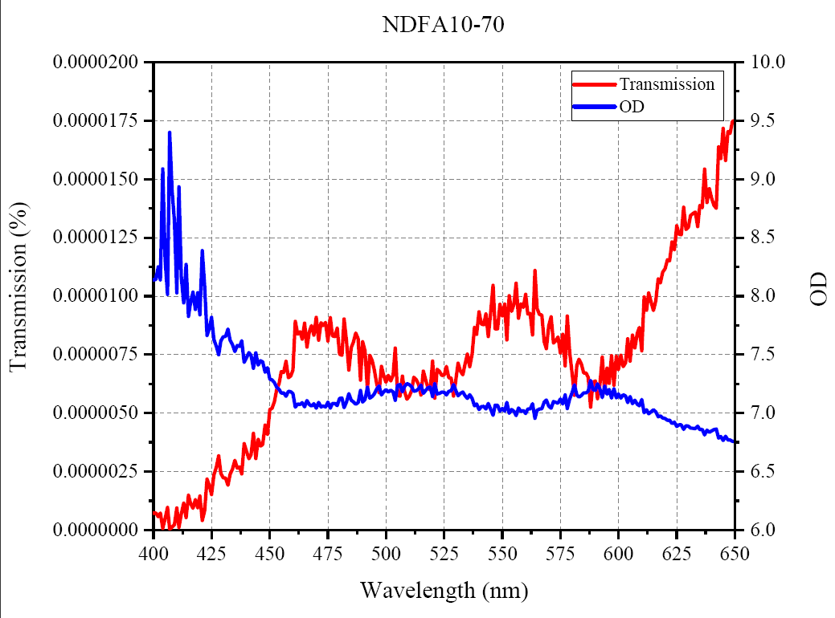
778 | 0.00048169724452 | 5.317225838
777 | 0.00049514052179 | 5.30527153
776 | 0.00049116567429 | 5.308771992
775 | 0.00050724574188 | 5.29478159
774 | 0.00048230637461 | 5.316676998
773 | 0.00049917767855 | 5.301744843
772 | 0.00049496767356 | 5.305423164
771 | 0.00048442604969 | 5.314772511
770 | 0.00050849481162 | 5.293713474
769 | 0.00049911575047 | 5.301798725
768 | 0.00049388521128 | 5.306373978
767 | 0.00049738213019 | 5.303309822
766 | 0.00050501512586 | 5.296695614
765 | 0.00049886099201 | 5.302020454
764 | 0.00049886865944 | 5.302013779
763 | 0.00048937691403 | 5.310356522
762 | 0.00049661762541 | 5.303977871
761 | 0.00048428033705 | 5.314903164
760 | 0.00050410935509 | 5.297475243
759 | 0.00050457727268 | 5.297072315
758 | 0.00050843116806 | 5.293767834
757 | 0.00049601438303 | 5.30450573
756 | 0.00047966534106 | 5.319061661
755 | 0.00048947632761 | 5.310268307
754 | 0.00049925003041 | 5.3016819
753 | 0.00049783123076 | 5.302917862
752 | 0.00047832268029 | 5.320279026
751 | 0.0004804797103 | 5.318324947
750 | 0.00047986287647 | 5.318882847
749 | 0.00048088662044 | 5.317957306
748 | 0.00047147862576 | 5.326537991
747 | 0.00047533798956 | 5.322997475
746 | 0.00046128631015 | 5.336029434
745 | 0.00046676981565 | 5.330897236
744 | 0.00046532477498 | 5.332243824
743 | 0.00047154748078 | 5.326474571
742 | 0.00046965790336 | 5.328218365
741 | 0.00046719640576 | 5.330500507
740 | 0.0004641496422 | 5.33334198
739 | 0.00045518452097 | 5.341812515
738 | 0.00045877750583 | 5.338397884
737 | 0.00044366459005 | 5.352945232
736 | 0.00044319476308 | 5.35340538
735 | 0.00043749221064 | 5.359029675
734 | 0.00043163928453 | 5.364879036
733 | 0.00043536704587 | 5.361144447
732 | 0.00042992473179 | 5.366607571
731 | 0.0004246017287 | 5.372018242
730 | 0.00042031494176 | 5.376425171
729 | 0.00039899854961 | 5.399028683
728 | 0.00040027892799 | 5.397637272
727 | 0.00039590807247 | 5.402405643
726 | 0.0004033937805 | 5.394270802
725 | 0.0003887592781 | 5.410319233
724 | 0.000385488993 | 5.413988018
723 | 0.00037017668422 | 5.431590939
722 | 0.00037072863232 | 5.430943871
721 | 0.00036745748648 | 5.4347929
720 | 0.00035731016214 | 5.446954632
719 | 0.00034876356557 | 5.457468891
718 | 0.0003500283663 | 5.455896759
717 | 0.00034151005261 | 5.466596508
716 | 0.00033521760895 | 5.474673176
715 | 0.00032726088764 | 5.485105896
714 | 0.0003171384739 | 5.498751068
713 | 0.0003083512512 | 5.510954285
712 | 0.00029946009567 | 5.523661041
711 | 0.00028670088134 | 5.542570972
710 | 0.00028322858915 | 5.547862911
709 | 0.00027485805377 | 5.560891533
708 | 0.00026560159026 | 5.575769329
707 | 0.00025902609899 | 5.586656475
706 | 0.00025135373267 | 5.599714661
705 | 0.00023286777521 | 5.632890606
704 | 0.00023011415806 | 5.63805666
703 | 0.00022353659948 | 5.65065136
702 | 0.00021796014794 | 5.661622906
701 | 0.00020578884136 | 5.686578178
700 | 0.00019259782352 | 5.715348625
699 | 0.00019108778618 | 5.718767071
698 | 0.00017648431109 | 5.753293896
697 | 0.00017009181758 | 5.769316578
696 | 0.00016665013431 | 5.778194332
695 | 0.00015653798927 | 5.805380249
694 | 0.00014555220834 | 5.836981201
693 | 0.00014110795145 | 5.850448513
692 | 0.00013158793178 | 5.880783939
691 | 0.00012282072057 | 5.910728359
690 | 0.00011935535999 | 5.923158073
689 | 0.00011147767464 | 5.952812099
688 | 0.00010410712877 | 5.982519531
687 | 9.8320466166E-05 | 6.007356071
686 | 9.2208586795E-05 | 6.035228634
685 | 9.0151871531E-05 | 6.045025253
684 | 8.0383994191E-05 | 6.094830418
683 | 7.4717566366E-05 | 6.126577282
682 | 7.1620886456E-05 | 6.144960308
681 | 6.6291007571E-05 | 6.17854538
680 | 6.1881079892E-05 | 6.208442116
679 | 5.8917487318E-05 | 6.229755783
678 | 5.6791399362E-05 | 6.24571743
677 | 5.2908985468E-05 | 6.276470566
676 | 4.6929346973E-05 | 6.328555489
675 | 4.6412925849E-05 | 6.333361053
674 | 4.3900407142E-05 | 6.357531452
673 | 4.2538846184E-05 | 6.371214294
672 | 3.7375549377E-05 | 6.427412415
671 | 3.6353881312E-05 | 6.439449215
670 | 3.4061955168E-05 | 6.467730427
669 | 3.25556779E-05 | 6.487373257
668 | 3.0368437471E-05 | 6.517577553
667 | 3.0321692909E-05 | 6.518246555
666 | 2.9204733194E-05 | 6.534546757
665 | 2.8108758679E-05 | 6.551158333
664 | 2.7762200347E-05 | 6.556546116
663 | 2.4106044281E-05 | 6.61787405
662 | 2.4739490485E-05 | 6.606609249
661 | 2.292539615E-05 | 6.639683151
660 | 2.3318912993E-05 | 6.632291698
659 | 2.1094732524E-05 | 6.675825977
658 | 2.1052413325E-05 | 6.676698112
657 | 1.9597090626E-05 | 6.707808399
656 | 1.9361595694E-05 | 6.713058853
655 | 1.9391592982E-05 | 6.712386513
654 | 1.7645951003E-05 | 6.753354931
653 | 1.9218886323E-05 | 6.716271782
652 | 1.7603745732E-05 | 6.754394913
651 | 1.7138851072E-05 | 6.766018295
650 | 1.7504736392E-05 | 6.756844425
649 | 1.7466358786E-05 | 6.757797623
648 | 1.6953340902E-05 | 6.770744705
647 | 1.7032841222E-05 | 6.768712902
646 | 1.5805120016E-05 | 6.801202202
645 | 1.7167986851E-05 | 6.765280628
644 | 1.5883246427E-05 | 6.799060726
643 | 1.6375151738E-05 | 6.785814667
642 | 1.375405292E-05 | 6.861569309
641 | 1.3883853838E-05 | 6.857489967
640 | 1.4204980537E-05 | 6.847559357
639 | 1.4585568425E-05 | 6.836076641
638 | 1.4002990011E-05 | 6.853779221
637 | 1.5427564365E-05 | 6.811702633
636 | 1.3770553505E-05 | 6.861048603
635 | 1.3877742374E-05 | 6.857681179
634 | 1.297157942E-05 | 6.887007141
633 | 1.3598966909E-05 | 6.866494083
632 | 1.3520329102E-05 | 6.869012737
631 | 1.3449276462E-05 | 6.871301079
630 | 1.2952949699E-05 | 6.887631321
629 | 1.2848092481E-05 | 6.891161346
628 | 1.3801037852E-05 | 6.860088253
627 | 1.2617483573E-05 | 6.899027252
626 | 1.2651748088E-05 | 6.897849464
625 | 1.3002864593E-05 | 6.88596096
624 | 1.1988451841E-05 | 6.921236897
623 | 1.2311640171E-05 | 6.909684086
622 | 1.1511996423E-05 | 6.938849354
621 | 1.1560978033E-05 | 6.937005424
620 | 1.1170618037E-05 | 6.951922798
619 | 1.1024598575E-05 | 6.957637215
618 | 1.0554869158E-05 | 6.976547146
617 | 1.07418929E-05 | 6.968919182
616 | 9.7994776559E-06 | 7.008797073
615 | 9.3816384052E-06 | 7.02772131
614 | 9.7590841989E-06 | 7.010590935
613 | 1.0132306369E-05 | 6.994291687
612 | 9.3955442872E-06 | 7.027078056
611 | 9.9602365547E-06 | 7.001730347
610 | 7.6670937737E-06 | 7.115369225
609 | 8.658722912E-06 | 7.062546158
608 | 8.4073634818E-06 | 7.075340176
607 | 7.7878845719E-06 | 7.108580494
606 | 8.3311405256E-06 | 7.07929554
605 | 7.2257432024E-06 | 7.141117477
604 | 8.1686446139E-06 | 7.087849998
603 | 7.1542999771E-06 | 7.145432854
602 | 6.9850761166E-06 | 7.155828857
601 | 7.4675329401E-06 | 7.126822853
600 | 6.8679463983E-06 | 7.163173103
599 | 7.4305732538E-06 | 7.12897768
598 | 6.1953413348E-06 | 7.207934761
597 | 7.4479465623E-06 | 7.127963448
596 | 6.273952654E-06 | 7.202458763
595 | 6.9115109752E-06 | 7.160426998
594 | 5.8723288493E-06 | 7.231189632
593 | 7.3877104399E-06 | 7.131490135
592 | 6.2093356847E-06 | 7.206954861
591 | 5.6189152411E-06 | 7.250347519
590 | 6.3668575469E-06 | 7.196074867
589 | 6.3105683361E-06 | 7.199931526
588 | 5.2464427846E-06 | 7.280135059
587 | 6.5155862031E-06 | 7.186046505
586 | 6.710813492E-06 | 7.173224831
585 | 6.7081688405E-06 | 7.173396015
584 | 7.0918198353E-06 | 7.149242306
583 | 7.3026449495E-06 | 7.136519814
582 | 7.0235744288E-06 | 7.153441811
581 | 5.7596816938E-06 | 7.239601517
580 | 6.7085223809E-06 | 7.173373127
579 | 7.5948633105E-06 | 7.119480038
578 | 9.1473986636E-06 | 7.038702393
577 | 7.0212998773E-06 | 7.153582478
576 | 8.3609588889E-06 | 7.077743912
575 | 7.5691067099E-06 | 7.120955372
574 | 8.2513947988E-06 | 7.083472633
573 | 8.0902766178E-06 | 7.092036629
572 | 7.9861007535E-06 | 7.097665215
571 | 9.1130243981E-06 | 7.040337467
570 | 8.7294469288E-06 | 7.059013271
569 | 7.7509220809E-06 | 7.110646629
568 | 8.0452865123E-06 | 7.094458485
567 | 9.1898400602E-06 | 7.036692047
566 | 9.2158688346E-06 | 7.035463715
565 | 9.4745957258E-06 | 7.023439312
564 | 1.1088793604E-05 | 6.9551157
563 | 8.3368320598E-06 | 7.078998947
562 | 9.2572149917E-06 | 7.03351965
561 | 9.2409769718E-06 | 7.034282112
560 | 1.0073438469E-05 | 6.996822262
559 | 9.5184611576E-06 | 7.021433258
558 | 9.6629537529E-06 | 7.014890099
557 | 9.0536446354E-06 | 7.043176556
556 | 1.0547084367E-05 | 6.97686758
555 | 9.6643861437E-06 | 7.014825726
554 | 9.3484057314E-06 | 7.029262447
553 | 1.002186444E-05 | 6.999051476
552 | 8.1238430428E-06 | 7.090238476
551 | 9.652487836E-06 | 7.015360737
550 | 9.1598308744E-06 | 7.038112545
549 | 9.6387943187E-06 | 7.015977287
548 | 8.6044192854E-06 | 7.065278435
547 | 8.6048538815E-06 | 7.0652565
546 | 1.0458395589E-05 | 6.980534935
545 | 9.3071836387E-06 | 7.031181717
544 | 8.2708325642E-06 | 7.082450771
543 | 9.2390392475E-06 | 7.034373188
542 | 8.7712009925E-06 | 7.056940937
541 | 8.8015023243E-06 | 7.055443192
540 | 9.3253603546E-06 | 7.030334377
539 | 8.3684531092E-06 | 7.077354813
538 | 8.6599018536E-06 | 7.06248703
537 | 7.5120382393E-06 | 7.12424221
536 | 6.9874386534E-06 | 7.155681992
535 | 7.5157424457E-06 | 7.124028111
534 | 7.0726131798E-06 | 7.150420094
533 | 6.6287950706E-06 | 7.178565407
532 | 6.7892607873E-06 | 7.168177509
531 | 7.1296617129E-06 | 7.146931076
530 | 6.3731031546E-06 | 7.195649052
529 | 5.7322006099E-06 | 7.241678619
528 | 6.4954007781E-06 | 7.187394047
527 | 6.5045714561E-06 | 7.186781311
526 | 6.99685845E-06 | 7.155096912
525 | 6.6336076767E-06 | 7.178250217
524 | 6.6038562477E-06 | 7.180202389
523 | 6.7854377874E-06 | 7.168422127
522 | 6.8744495638E-06 | 7.16276207
521 | 5.6331721176E-06 | 7.249246979
520 | 7.2202156156E-06 | 7.141449833
519 | 5.9829077701E-06 | 7.223087692
518 | 6.092711836E-06 | 7.215189362
517 | 6.4495922805E-06 | 7.190467739
516 | 6.7933544355E-06 | 7.167915726
515 | 5.77484734E-06 | 7.238459492
514 | 6.2269226642E-06 | 7.205726528
513 | 6.4322026406E-06 | 7.191640282
512 | 6.5289274543E-06 | 7.185158157
511 | 5.969541696E-06 | 7.22405901
510 | 5.7157849686E-06 | 7.242924118
509 | 5.596337774E-06 | 7.252096081
508 | 5.9257239091E-06 | 7.227258587
507 | 6.5807740256E-06 | 7.181723022
506 | 5.7137896496E-06 | 7.243075752
505 | 5.7637493998E-06 | 7.23929491
504 | 7.7766569601E-06 | 7.109207058
503 | 6.6257898766E-06 | 7.178762341
502 | 6.3691718357E-06 | 7.195917034
501 | 6.6095070019E-06 | 7.179830933
500 | 6.3111295917E-06 | 7.199892902
499 | 6.6171893332E-06 | 7.179326439
498 | 6.9961593862E-06 | 7.155140305
497 | 5.8697503853E-06 | 7.231380367
496 | 6.2609330677E-06 | 7.203360939
495 | 6.8507600108E-06 | 7.164261246
494 | 7.2424785562E-06 | 7.140112782
493 | 7.4714695186E-06 | 7.126593971
492 | 6.010165262E-06 | 7.221113586
491 | 7.6606061359E-06 | 7.115736866
490 | 8.0467529889E-06 | 7.09437933
489 | 6.4040505892E-06 | 7.193545246
488 | 8.1673621665E-06 | 7.087918186
487 | 8.4206573E-06 | 7.074654007
486 | 8.0217975632E-06 | 7.095728302
485 | 7.7957723772E-06 | 7.10814085
484 | 6.84095855E-06 | 7.164883041
483 | 8.0817802601E-06 | 7.092492962
482 | 9.0172759226E-06 | 7.044924641
481 | 7.4723801485E-06 | 7.126541042
480 | 7.512945562E-06 | 7.124189758
479 | 8.6217725382E-06 | 7.064403439
478 | 8.2737299184E-06 | 7.08229866
477 | 8.2920548655E-06 | 7.081337833
476 | 9.0722126834E-06 | 7.042286777
475 | 8.07675057E-06 | 7.092763329
474 | 8.8718046616E-06 | 7.051988029
473 | 8.7392286657E-06 | 7.058526897
472 | 8.8630324627E-06 | 7.05241766
471 | 8.114554099E-06 | 7.09073534
470 | 9.0933743667E-06 | 7.041274929
469 | 8.3352120525E-06 | 7.079083347
468 | 8.7348351081E-06 | 7.058745289
467 | 8.4729545734E-06 | 7.071965122
466 | 7.819646869E-06 | 7.106812859
465 | 8.8395529574E-06 | 7.053569698
464 | 8.1552919708E-06 | 7.088560486
463 | 8.4739593434E-06 | 7.071913624
462 | 8.3799554729E-06 | 7.076758289
461 | 8.92441462E-06 | 7.049420261
460 | 6.8362957534E-06 | 7.165179157
459 | 6.5871426872E-06 | 7.181302929
458 | 6.5026006333E-06 | 7.186912918
457 | 7.2099568073E-06 | 7.142067337
456 | 6.7295917718E-06 | 7.17201128
455 | 6.7675661578E-06 | 7.16956749
454 | 6.2703991751E-06 | 7.202704811
453 | 6.011254179E-06 | 7.221034908
452 | 5.4766501127E-06 | 7.261485004
451 | 5.1988431513E-06 | 7.284093285
450 | 5.1563949215E-06 | 7.287653828
449 | 4.0938747546E-06 | 7.387865448
448 | 4.4865035528E-06 | 7.348091984
447 | 3.6520828984E-06 | 7.437459373
446 | 3.5856343689E-06 | 7.445433998
445 | 3.8844482321E-06 | 7.410670662
444 | 3.0584600707E-06 | 7.514497185
443 | 4.1286276902E-06 | 7.384194279
442 | 3.2139397795E-06 | 7.492962265
441 | 3.0501902956E-06 | 7.515673065
440 | 3.3655151043E-06 | 7.472948456
439 | 3.6944865685E-06 | 7.432445908
438 | 2.4020363041E-06 | 7.619420433
437 | 2.6982213601E-06 | 7.568922424
436 | 2.6466801122E-06 | 7.577298546
435 | 2.9781539498E-06 | 7.526052856
434 | 2.5983534012E-06 | 7.585301781
433 | 2.3791328085E-06 | 7.623581314
432 | 1.9107498845E-06 | 7.718796158
431 | 2.214635208E-06 | 7.6546978
430 | 2.2285141911E-06 | 7.651984596
429 | 2.4228820642E-06 | 7.615667725
428 | 3.167125573E-06 | 7.499334717
427 | 2.6874238434E-06 | 7.570663834
426 | 2.3538670035E-06 | 7.628218079
425 | 1.5193952382E-06 | 7.818329239
424 | 1.8878405443E-06 | 7.724034691
423 | 2.1740827841E-06 | 7.662723923
422 | 8.2303307797E-07 | 8.08458271
421 | 4.0965995693E-07 | 8.387576485
420 | 1.4460126125E-06 | 7.839827919
419 | 9.364585755E-07 | 8.028511429
418 | 1.298417568E-06 | 7.886585617
417 | 9.2749275103E-07 | 8.032689476
416 | 1.128739707E-06 | 7.947406197
415 | 1.48838336E-06 | 7.827285194
414 | 5.3557867933E-07 | 8.27117672
413 | 1.1424472352E-06 | 7.942163849
412 | 6.9005845266E-07 | 8.16111412
411 | 1.1656239332E-07 | 8.933441544
410 | 9.3799801646E-07 | 8.02779808
409 | 2.2734092777E-07 | 8.643322372
408 | 1.2357781098E-07 | 8.908059502
407 | 3.9810717055E-08 | 9.4
406 | 9.6545334815E-07 | 8.015268707
405 | 4.9623990041E-07 | 8.304308319
404 | 8.1729507711E-08 | 9.087621117
403 | 7.2476571186E-07 | 8.139802361
402 | 5.6331473822E-07 | 8.249248886
401 | 7.2223960021E-07 | 8.141318703
400 | 7.2709466491E-07 | 8.138409042

