sheet1
DOE25-532-FTS50
x(μm) | Intensity(a.u.)
-58.21698 | 0.0000
-56.60974 | 0.0000
-54.56051 | 0.0000
-52.59163 | 0.0000 | DOE Homogenizer Light Intensity Distribution Curve of Diffraction Spot This file indicates a typical data and there may be differences between product batches. If you have any questions, please contact LBTEK Technical Support. To quote this data, please indicate that the data source is from LBTEK.
-50.20086 | 0.0007
-48.27217 | 0.0000
-46.26312 | 0.0003
-43.79198 | 0.0000
-41.40121 | 0.0003
-38.93007 | 0.0000
-36.09731 | 0.0000
-33.24445 | 0.0010
-31.69748 | 0.0227
-29.78888 | 0.0358 | LBTEK Mall：www.lbtek.com Tel：0731-84165699 LBTEK Technical Support E-mail：service@lbtek.com
-29.02544 | 0.0642
-28.84463 | 0.0926
-28.22182 | 0.1153
-27.82001 | 0.1345 | 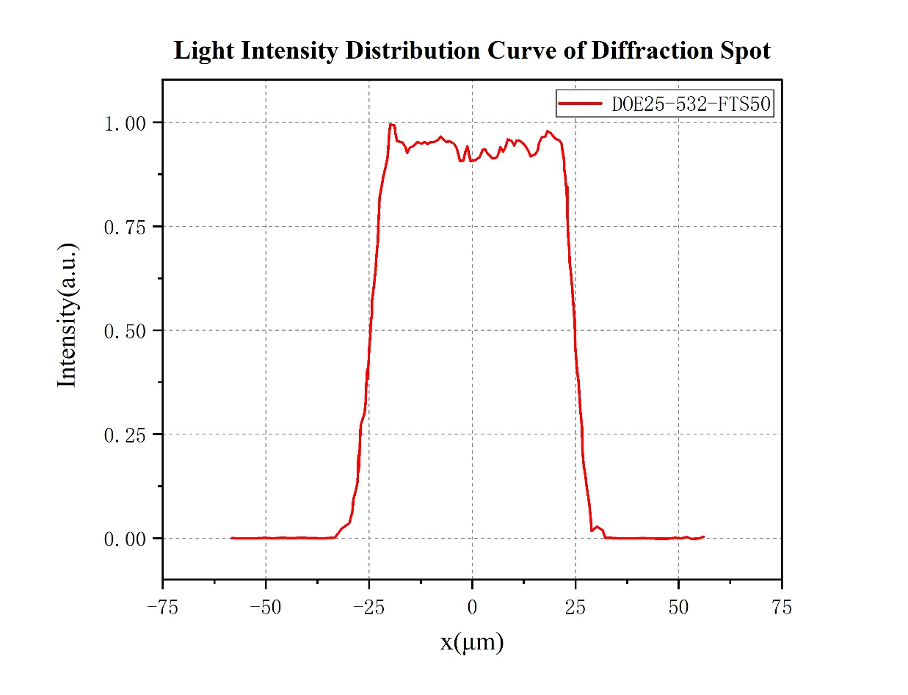
-27.59901 | 0.1998
-27.53874 | 0.1599
-27.17711 | 0.2380
-27.03648 | 0.2707
-26.07213 | 0.3018
-25.83105 | 0.3302
-25.7105 | 0.3573
-25.42924 | 0.4053
-25.40915 | 0.3816
-25.04752 | 0.4323
-24.98725 | 0.4563
-24.72607 | 0.4867
-24.54525 | 0.5168
-24.32426 | 0.5404
-24.30417 | 0.5688
-23.82199 | 0.6074
-23.40009 | 0.6456
-23.19919 | 0.6797
-22.87774 | 0.7145
-22.79738 | 0.7480
-22.61656 | 0.7838
-22.45584 | 0.8189
-22.03394 | 0.8412
-21.59195 | 0.8686
-21.06959 | 0.8889
-20.56733 | 0.9142
-20.34633 | 0.9376
-20.2057 | 0.9666
-19.86416 | 0.9947
-18.79936 | 0.9923
-18.63864 | 0.9741
-18.21674 | 0.9548
-16.93094 | 0.9518
-16.14741 | 0.9399
-15.72551 | 0.9264
-15.14289 | 0.9386
-14.2589 | 0.9430
-13.1941 | 0.9528
-12.33021 | 0.9480
-11.5065 | 0.9528
-10.82342 | 0.9474
-10.05998 | 0.9524
-9.15591 | 0.9528
-8.3322 | 0.9572
-7.60894 | 0.9660
-6.98613 | 0.9589
-6.28296 | 0.9528
-5.43916 | 0.9545
-4.45472 | 0.9487
-3.79174 | 0.9376
-3.36983 | 0.9227
-2.98811 | 0.9065
-2.10413 | 0.9078
-1.70232 | 0.9268
-1.17997 | 0.9416
-0.77816 | 0.9224
-0.45671 | 0.9065
0.70854 | 0.9088
1.81352 | 0.9170
2.4966 | 0.9335
3.19977 | 0.9345
3.64176 | 0.9264
4.1842 | 0.9200
4.98783 | 0.9129
5.93208 | 0.9153
6.39416 | 0.9264
6.85625 | 0.9399
7.47905 | 0.9291
8.04159 | 0.9403
8.58403 | 0.9592
9.46801 | 0.9558
10.15109 | 0.9440
10.75381 | 0.9565
11.55743 | 0.9558
12.38114 | 0.9491
13.02404 | 0.9403
13.64684 | 0.9295
14.10893 | 0.9183
15.13354 | 0.9224
15.8568 | 0.9315
16.15816 | 0.9487
16.80106 | 0.9636
17.70513 | 0.9656
18.20739 | 0.9788
18.99093 | 0.9744
19.59364 | 0.9663
20.29681 | 0.9599
21.06025 | 0.9568
21.62278 | 0.9501
21.78351 | 0.9345
22.06478 | 0.9200
22.26568 | 0.9038
22.30586 | 0.8879
22.52686 | 0.8686
22.90858 | 0.8220
23.00903 | 0.8450
23.00903 | 0.8000
23.04921 | 0.7753
23.18985 | 0.7449
23.31039 | 0.7145
23.4912 | 0.6922
23.57157 | 0.6645
23.85283 | 0.6408
24.19437 | 0.6030
24.49573 | 0.5634
24.79709 | 0.5181
24.9779 | 0.4607
25.33953 | 0.4073
25.74134 | 0.3731
25.96234 | 0.3410
26.20343 | 0.3072
26.60524 | 0.2663
26.6856 | 0.2163
27.00705 | 0.1741
27.42895 | 0.1504
27.67003 | 0.1257
28.07185 | 0.0984
28.39329 | 0.0811
28.63438 | 0.0524
28.89556 | 0.0173
30.22153 | 0.0277
31.60778 | 0.0189
32.21049 | 0.0003
33.29538 | 0.0003
34.48072 | 0.0000
35.5857 | 0.0000
36.63041 | 0.0000
37.79566 | 0.0000
39.60381 | 0.0000
41.3115 | 0.0000
43.20001 | 0.0000
45.43006 | 0.0000
47.31857 | 0.0000
49.14681 | 0.0007
50.63351 | 0.0000
52.05994 | 0.0027
53.22519 | 0.0000
54.97306 | 0.0000
56.05795 | 0.0034

