Sheet1
Wavelength | Ts | Tp | ER
nm | % | %
527 | 0.000010 | 98.621920 | 9862192
527.1 | 0.000010 | 98.548244 | 9854824.4
527.2 | 0.000011 | 98.494036 | 8954003.2727
527.3 | 0.000011 | 98.459066 | 8950824.1818 | Product Data Theoretical transmission of PBSF-24-532 This file indicates a typical data and there may be differences between product batches. If you have any questions, please contact LBTEK Technical Support. To quote this data, please indicate that the data source is from LBTEK.
527.4 | 0.000012 | 98.442695 | 8203557.9167
527.5 | 0.000012 | 98.443954 | 8203662.8333
527.6 | 0.000013 | 98.461618 | 7573970.6154
527.7 | 0.000013 | 98.494267 | 7576482.0769
527.8 | 0.000014 | 98.540343 | 7038595.9286
527.9 | 0.000014 | 98.598193 | 7042728.0714
528 | 0.000015 | 98.666112 | 6577740.8
528.1 | 0.000016 | 98.742375 | 6171398.4375
528.2 | 0.000016 | 98.825268 | 6176579.25
528.3 | 0.000017 | 98.913113 | 5818418.4118 | LBTEK Mall：www.lbtek.com Tel：0731-84165699 LBTEK Technical Support E-mail：service@lbtek.com
528.4 | 0.000018 | 99.004289 | 5500238.2778
528.5 | 0.000019 | 99.097250 | 5215644.7368
528.6 | 0.000020 | 99.190543 | 4959527.15
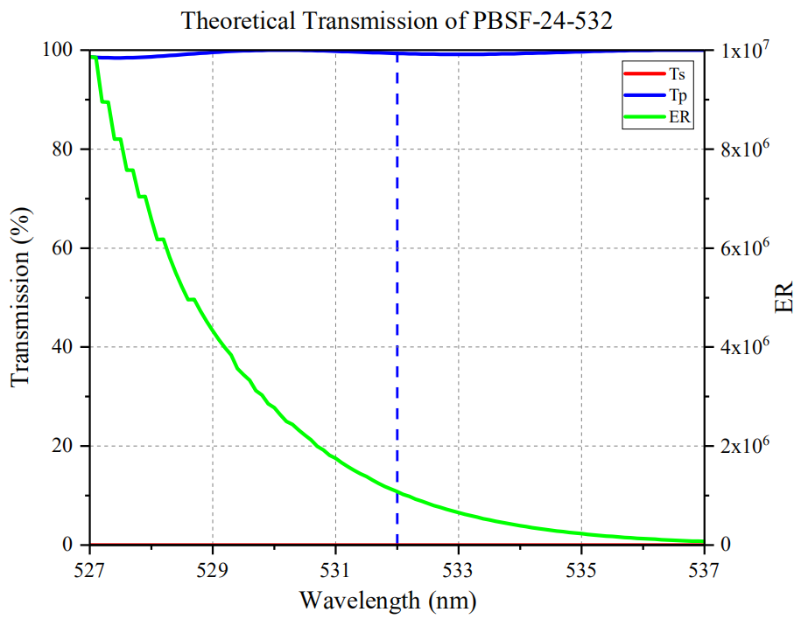
528.7 | 0.000020 | 99.282815 | 4964140.75
528.8 | 0.000021 | 99.372828 | 4732039.4286
528.9 | 0.000022 | 99.459461 | 4520884.5909
529 | 0.000023 | 99.541722 | 4327900.9565
529.1 | 0.000024 | 99.618744 | 4150781
529.2 | 0.000025 | 99.689791 | 3987591.64
529.3 | 0.000026 | 99.754255 | 3836702.1154
529.4 | 0.000028 | 99.811656 | 3564702
529.5 | 0.000029 | 99.861639 | 3443504.7931
529.6 | 0.000030 | 99.903964 | 3330132.1333
529.7 | 0.000032 | 99.938508 | 3123078.375
529.8 | 0.000033 | 99.965252 | 3029250.0606
529.9 | 0.000035 | 99.984277 | 2856693.6286
530 | 0.000036 | 99.995756 | 2777659.8889
530.1 | 0.000038 | 99.999943 | 2631577.4474
530.2 | 0.000040 | 99.997165 | 2499929.125
530.3 | 0.000041 | 99.987816 | 2438727.2195
530.4 | 0.000043 | 99.972343 | 2324938.2093
530.5 | 0.000045 | 99.951241 | 2221138.6889
530.6 | 0.000047 | 99.925042 | 2126064.7234
530.7 | 0.000050 | 99.894308 | 1997886.16
530.8 | 0.000052 | 99.859621 | 1920377.3269
530.9 | 0.000055 | 99.821577 | 1814937.7636
531 | 0.000057 | 99.780776 | 1750539.9298
531.1 | 0.000060 | 99.737821 | 1662297.0167
531.2 | 0.000063 | 99.693303 | 1582433.381
531.3 | 0.000066 | 99.647805 | 1509815.2273
531.4 | 0.000069 | 99.601887 | 1443505.6087
531.5 | 0.000072 | 99.556092 | 1382723.5
531.6 | 0.000076 | 99.510931 | 1309354.3553
531.7 | 0.000080 | 99.466889 | 1243336.1125
531.8 | 0.000084 | 99.424416 | 1183624
531.9 | 0.000088 | 99.383929 | 1129362.8295
532 | 0.000092 | 99.345805 | 1079845.7065
532.1 | 0.000097 | 99.310319 | 1023817.7216
532.2 | 0.000101 | 99.277848 | 982948.9901
532.3 | 0.000107 | 99.248653 | 927557.50467
532.4 | 0.000112 | 99.222956 | 885919.25
532.5 | 0.000118 | 99.200934 | 840685.88136
532.6 | 0.000124 | 99.182729 | 799860.71774
532.7 | 0.000130 | 99.168439 | 762834.14615
532.8 | 0.000137 | 99.158125 | 723781.93431
532.9 | 0.000144 | 99.151810 | 688554.23611
533 | 0.000151 | 99.149482 | 656619.08609
533.1 | 0.000159 | 99.151091 | 623591.7673
533.2 | 0.000167 | 99.156559 | 593751.8503
533.3 | 0.000176 | 99.165773 | 563441.89205
533.4 | 0.000186 | 99.178592 | 533218.23656
533.5 | 0.000195 | 99.194849 | 508691.53333
533.6 | 0.000206 | 99.214351 | 481623.06311
533.7 | 0.000217 | 99.236884 | 457312.82949
533.8 | 0.000228 | 99.262213 | 435360.58333
533.9 | 0.000241 | 99.290085 | 411992.05394
534 | 0.000254 | 99.320233 | 391024.53937
534.1 | 0.000268 | 99.352376 | 370717.8209
534.2 | 0.000282 | 99.386225 | 352433.42199
534.3 | 0.000298 | 99.421480 | 333629.12752
534.4 | 0.000314 | 99.457837 | 316744.70382
534.5 | 0.000331 | 99.494991 | 300589.09668
534.6 | 0.000350 | 99.532635 | 284378.95714
534.7 | 0.000369 | 99.570462 | 269838.65041
534.8 | 0.000390 | 99.608173 | 255405.57179
534.9 | 0.000412 | 99.645474 | 241857.9466
535 | 0.000435 | 99.682077 | 229154.2
535.1 | 0.000460 | 99.717709 | 216777.62826
535.2 | 0.000486 | 99.752106 | 205251.24691
535.3 | 0.000514 | 99.785021 | 194134.2821
535.4 | 0.000544 | 99.816219 | 183485.69669
535.5 | 0.000575 | 99.845488 | 173644.32696
535.6 | 0.000609 | 99.872631 | 163994.46798
535.7 | 0.000645 | 99.897471 | 154879.8
535.8 | 0.000682 | 99.919856 | 146510.05279
535.9 | 0.000723 | 99.939651 | 138229.11618
536 | 0.000766 | 99.956748 | 130491.83812
536.1 | 0.000811 | 99.971061 | 123268.87916
536.2 | 0.000860 | 99.982527 | 116258.75233
536.3 | 0.000912 | 99.991108 | 109639.37281
536.4 | 0.000967 | 99.996789 | 103409.29576
536.5 | 0.001026 | 99.999580 | 97465.477583
536.6 | 0.001088 | 99.999514 | 91911.318015
536.7 | 0.001155 | 99.996648 | 86577.184416
536.8 | 0.001226 | 99.991060 | 81558.776509
536.9 | 0.001302 | 99.982849 | 76791.742704
537 | 0.001384 | 99.972137 | 72234.203035

