Sheet1
Wavelength | Ts | Tp | ER
nm | % | %
770 | 0.000534 | 99.887019 | 187054.3427
770.1 | 0.000550 | 99.903691 | 181643.07455
770.2 | 0.000566 | 99.919220 | 176535.72438
770.3 | 0.000582 | 99.933517 | 171707.07388 | Product Data Theoretical transmission of PBSF-24-780 This file indicates a typical data and there may be differences between product batches. If you have any questions, please contact LBTEK Technical Support. To quote this data, please indicate that the data source is from LBTEK.
770.4 | 0.000599 | 99.946506 | 166855.60267
770.5 | 0.000616 | 99.958129 | 162269.68994
770.6 | 0.000633 | 99.968341 | 157927.86888
770.7 | 0.000651 | 99.977113 | 153574.67435
770.8 | 0.000669 | 99.984426 | 149453.55157
770.9 | 0.000687 | 99.990277 | 145546.25473
771 | 0.000705 | 99.994674 | 141836.41702
771.1 | 0.000724 | 99.997636 | 138118.28177
771.2 | 0.000743 | 99.999193 | 134588.41588
771.3 | 0.000763 | 99.999385 | 131060.79292 | LBTEK Mall：www.lbtek.com Tel：0731-84165699 LBTEK Technical Support E-mail：service@lbtek.com
771.4 | 0.000783 | 99.998259 | 127711.69732
771.5 | 0.000803 | 99.995874 | 124527.86301
771.6 | 0.000823 | 99.992291 | 121497.31592
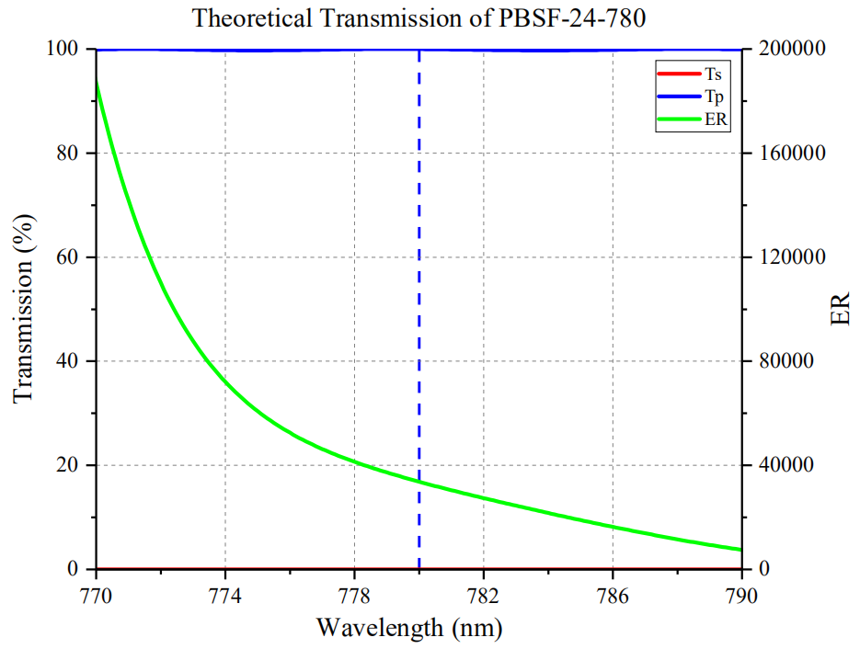
771.7 | 0.000844 | 99.987583 | 118468.70024
771.8 | 0.000865 | 99.981824 | 115585.9237
771.9 | 0.000886 | 99.975095 | 112838.70767
772 | 0.000908 | 99.967481 | 110096.34471
772.1 | 0.000930 | 99.959068 | 107482.86882
772.2 | 0.000952 | 99.949948 | 104989.44118
772.3 | 0.000974 | 99.940210 | 102608.01848
772.4 | 0.000997 | 99.929949 | 100230.64092
772.5 | 0.001019 | 99.919256 | 98056.18842
772.6 | 0.001042 | 99.908224 | 95881.213052
772.7 | 0.001066 | 99.896945 | 93711.95591
772.8 | 0.001089 | 99.885509 | 91722.230487
772.9 | 0.001113 | 99.874003 | 89734.054807
773 | 0.001137 | 99.862513 | 87829.826737
773.1 | 0.001161 | 99.851121 | 86004.410853
773.2 | 0.001185 | 99.839908 | 84253.08692
773.3 | 0.001209 | 99.828948 | 82571.503722
773.4 | 0.001234 | 99.818313 | 80890.04295
773.5 | 0.001259 | 99.808070 | 79275.671168
773.6 | 0.001283 | 99.798283 | 77785.099766
773.7 | 0.001308 | 99.789008 | 76291.29052
773.8 | 0.001333 | 99.780300 | 74853.938485
773.9 | 0.001359 | 99.772206 | 73415.898455
774 | 0.001384 | 99.764770 | 72084.371387
774.1 | 0.001409 | 99.758029 | 70800.588361
774.2 | 0.001435 | 99.752016 | 69513.6
774.3 | 0.001460 | 99.746758 | 68319.69726
774.4 | 0.001486 | 99.742278 | 67121.317631
774.5 | 0.001511 | 99.738592 | 66008.333554
774.6 | 0.001537 | 99.735712 | 64889.858165
774.7 | 0.001563 | 99.733645 | 63809.113884
774.8 | 0.001589 | 99.732393 | 62764.249843
774.9 | 0.001615 | 99.731953 | 61753.531269
775 | 0.001640 | 99.732319 | 60812.389634
775.1 | 0.001666 | 99.733477 | 59864.031813
775.2 | 0.001692 | 99.735411 | 58945.278369
775.3 | 0.001718 | 99.738103 | 58054.774738
775.4 | 0.001744 | 99.741527 | 57191.242546
775.5 | 0.001770 | 99.745655 | 56353.477401
775.6 | 0.001796 | 99.750458 | 55540.344098
775.7 | 0.001822 | 99.755901 | 54750.768935
775.8 | 0.001848 | 99.761946 | 53983.737013
775.9 | 0.001873 | 99.768555 | 53266.713828
776 | 0.001899 | 99.775685 | 52541.171669
776.1 | 0.001925 | 99.783291 | 51835.475844
776.2 | 0.001951 | 99.791329 | 51148.810354
776.3 | 0.001977 | 99.799750 | 50480.399595
776.4 | 0.002003 | 99.808506 | 49829.508737
776.5 | 0.002029 | 99.817546 | 49195.439133
776.6 | 0.002054 | 99.826821 | 48601.178676
776.7 | 0.002080 | 99.836279 | 47998.211058
776.8 | 0.002106 | 99.845869 | 47410.194207
776.9 | 0.002132 | 99.855540 | 46836.557223
777 | 0.002158 | 99.865239 | 46276.755792
777.1 | 0.002183 | 99.874918 | 45751.222171
777.2 | 0.002209 | 99.884525 | 45217.077863
777.3 | 0.002235 | 99.894013 | 44695.30783
777.4 | 0.002261 | 99.903333 | 44185.463512
777.5 | 0.002287 | 99.912440 | 43687.118496
777.6 | 0.002313 | 99.921288 | 43199.86511
777.7 | 0.002339 | 99.929834 | 42723.315092
777.8 | 0.002365 | 99.938039 | 42257.098943
777.9 | 0.002391 | 99.945862 | 41800.862401
778 | 0.002417 | 99.953267 | 41354.268515
778.1 | 0.002443 | 99.960220 | 40916.995497
778.2 | 0.002469 | 99.966689 | 40488.735925
778.3 | 0.002496 | 99.972646 | 40053.143429
778.4 | 0.002522 | 99.978064 | 39642.37272
778.5 | 0.002549 | 99.982919 | 39224.369949
778.6 | 0.002575 | 99.987192 | 38829.977476
778.7 | 0.002602 | 99.990863 | 38428.463874
778.8 | 0.002629 | 99.993919 | 38034.963484
778.9 | 0.002656 | 99.996348 | 37649.22741
779 | 0.002683 | 99.998142 | 37271.018263
779.1 | 0.002711 | 99.999294 | 36886.497233
779.2 | 0.002738 | 99.999803 | 36522.937546
779.3 | 0.002766 | 99.999669 | 36153.170282
779.4 | 0.002794 | 99.998895 | 35790.585183
779.5 | 0.002822 | 99.997487 | 35434.970588
779.6 | 0.002850 | 99.995456 | 35086.124912
779.7 | 0.002879 | 99.992812 | 34731.786037
779.8 | 0.002908 | 99.989572 | 34384.309491
779.9 | 0.002937 | 99.985751 | 34043.497106
780 | 0.002967 | 99.981370 | 33697.799124
780.1 | 0.002996 | 99.976451 | 33369.976969
780.2 | 0.003026 | 99.971019 | 33037.349306
780.3 | 0.003057 | 99.965100 | 32700.392542
780.4 | 0.003088 | 99.958724 | 32370.053109
780.5 | 0.003119 | 99.951920 | 32046.142995
780.6 | 0.003150 | 99.944721 | 31728.482857
780.7 | 0.003182 | 99.937161 | 31407.027341
780.8 | 0.003215 | 99.929276 | 31082.200933
780.9 | 0.003247 | 99.921101 | 30773.360333
781 | 0.003281 | 99.912675 | 30451.897287
781.1 | 0.003314 | 99.904036 | 30146.057936
781.2 | 0.003349 | 99.895224 | 29828.373843
781.3 | 0.003383 | 99.886278 | 29525.946793
781.4 | 0.003419 | 99.877238 | 29212.412401
781.5 | 0.003454 | 99.868146 | 28913.765489
781.6 | 0.003491 | 99.859042 | 28604.709825
781.7 | 0.003528 | 99.849966 | 28302.144558
781.8 | 0.003565 | 99.840960 | 28005.879383
781.9 | 0.003604 | 99.832061 | 27700.349889
782 | 0.003643 | 99.823311 | 27401.402965
782.1 | 0.003682 | 99.814747 | 27108.839489
782.2 | 0.003722 | 99.806407 | 26815.262493
782.3 | 0.003763 | 99.798327 | 26520.947914
782.4 | 0.003805 | 99.790543 | 26226.161104
782.5 | 0.003848 | 99.783088 | 25931.155925
782.6 | 0.003891 | 99.775996 | 25642.764328
782.7 | 0.003935 | 99.769297 | 25354.332147
782.8 | 0.003981 | 99.763021 | 25059.789249
782.9 | 0.004027 | 99.757193 | 24772.086665
783 | 0.004073 | 99.751841 | 24490.999509
783.1 | 0.004121 | 99.746987 | 24204.558845
783.2 | 0.004170 | 99.742653 | 23919.101439
783.3 | 0.004220 | 99.738857 | 23634.800237
783.4 | 0.004271 | 99.735617 | 23351.818544
783.5 | 0.004323 | 99.732946 | 23070.309045
783.6 | 0.004376 | 99.730857 | 22790.415219
783.7 | 0.004431 | 99.729358 | 22507.189799
783.8 | 0.004486 | 99.728458 | 22231.0428
783.9 | 0.004543 | 99.728160 | 21952.049307
784 | 0.004601 | 99.728466 | 21675.389263
784.1 | 0.004660 | 99.729376 | 21401.153648
784.2 | 0.004721 | 99.730886 | 21124.949375
784.3 | 0.004783 | 99.732991 | 20851.555718
784.4 | 0.004846 | 99.735681 | 20581.031985
784.5 | 0.004912 | 99.738948 | 20305.160423
784.6 | 0.004978 | 99.742776 | 20036.716754
784.7 | 0.005046 | 99.747150 | 19767.568371
784.8 | 0.005116 | 99.752052 | 19498.055512
784.9 | 0.005188 | 99.757461 | 19228.500578
785 | 0.005261 | 99.763355 | 18962.812203
785.1 | 0.005336 | 99.769708 | 18697.471514
785.2 | 0.005413 | 99.776494 | 18432.753372
785.3 | 0.005492 | 99.783683 | 18168.915331
785.4 | 0.005573 | 99.791245 | 17906.198636
785.5 | 0.005656 | 99.799146 | 17644.827793
785.6 | 0.005741 | 99.807352 | 17385.01167
785.7 | 0.005828 | 99.815828 | 17126.94372
785.8 | 0.005917 | 99.824535 | 16870.801927
785.9 | 0.006009 | 99.833436 | 16613.985022
786 | 0.006104 | 99.842490 | 16356.895478
786.1 | 0.006200 | 99.851656 | 16105.105806
786.2 | 0.006300 | 99.860894 | 15850.935556
786.3 | 0.006402 | 99.870161 | 15599.837707
786.4 | 0.006506 | 99.879414 | 15351.892714
786.5 | 0.006614 | 99.888610 | 15102.602056
786.6 | 0.006725 | 99.897707 | 14854.677621
786.7 | 0.006838 | 99.906660 | 14610.508921
786.8 | 0.006955 | 99.915428 | 14365.985334
786.9 | 0.007075 | 99.923968 | 14123.529046
787 | 0.007199 | 99.932238 | 13881.405473
787.1 | 0.007326 | 99.940196 | 13641.850396
787.2 | 0.007457 | 99.947803 | 13403.218855
787.3 | 0.007591 | 99.955020 | 13167.56949
787.4 | 0.007729 | 99.961810 | 12933.343253
787.5 | 0.007872 | 99.968135 | 12699.204141
787.6 | 0.008018 | 99.973961 | 12468.690571
787.7 | 0.008169 | 99.979257 | 12238.861183
787.8 | 0.008324 | 99.983990 | 12011.531716
787.9 | 0.008484 | 99.988134 | 11785.494342
788 | 0.008649 | 99.991662 | 11561.06625
788.1 | 0.008819 | 99.994550 | 11338.536115
788.2 | 0.008994 | 99.996777 | 11118.16511
788.3 | 0.009175 | 99.998326 | 10899.000109
788.4 | 0.009361 | 99.999181 | 10682.531888
788.5 | 0.009552 | 99.999330 | 10468.941583
788.6 | 0.009750 | 99.998764 | 10256.283487
788.7 | 0.009955 | 99.997477 | 10044.949975
788.8 | 0.010165 | 99.995468 | 9837.2324643
788.9 | 0.010383 | 99.992737 | 9630.4282963
789 | 0.010607 | 99.989289 | 9426.7265956
789.1 | 0.010839 | 99.985132 | 9224.5716395
789.2 | 0.011079 | 99.980277 | 9024.3051719
789.3 | 0.011326 | 99.974740 | 8827.0121844
789.4 | 0.011582 | 99.968540 | 8631.3710931
789.5 | 0.011846 | 99.961700 | 8438.4349147
789.6 | 0.012119 | 99.954246 | 8247.7305058
789.7 | 0.012402 | 99.946207 | 8058.8781648
789.8 | 0.012694 | 99.937618 | 7872.8232236
789.9 | 0.012996 | 99.928514 | 7689.1746691
790 | 0.013309 | 99.918935 | 7507.6215343

